E1.CO2 Emissions by Scenario
CO2 Emissions by Scenario
WA SES EER DDP Modeling Final Report Page 25

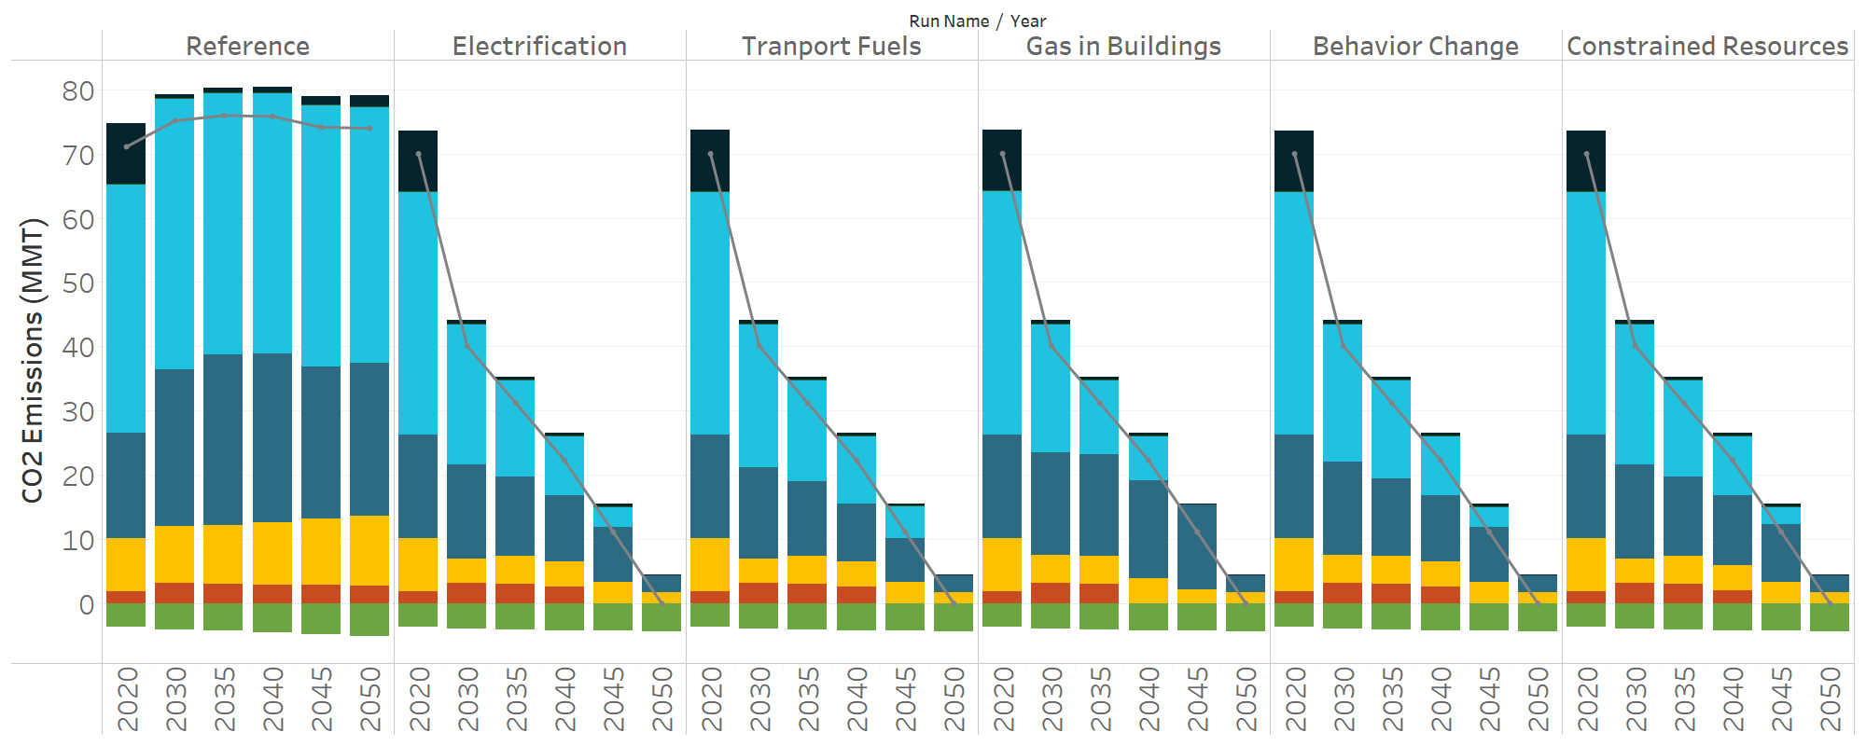
Fuel Type | Run Name | Year | Emissions (MMT)
Total | Reference | 2020 | 71.1
Total | Reference | 2030 | 75.1
Total | Reference | 2035 | 76.0
Total | Reference | 2040 | 75.8
Total | Reference | 2045 | 74.2
Total | Reference | 2050 | 74.0
Total | Electrification | 2020 | 70.0
Total | Electrification | 2030 | 40.1
Total | Electrification | 2035 | 31.2
Total | Electrification | 2040 | 22.3
Total | Electrification | 2045 | 11.1
Total | Electrification | 2050 | 0.0
Total | Tranport Fuels | 2020 | 70.0
Total | Tranport Fuels | 2030 | 40.1
Total | Tranport Fuels | 2035 | 31.2
Total | Tranport Fuels | 2040 | 22.3
Total | Tranport Fuels | 2045 | 11.1
Total | Tranport Fuels | 2050 | 0.0
Total | Gas in Buildings | 2020 | 70.1
Total | Gas in Buildings | 2030 | 40.1
Total | Gas in Buildings | 2035 | 31.2
Total | Gas in Buildings | 2040 | 22.3
Total | Gas in Buildings | 2045 | 11.1
Total | Gas in Buildings | 2050 | 0.0
Total | Behavior Change | 2020 | 70.0
Total | Behavior Change | 2030 | 40.1
Total | Behavior Change | 2035 | 31.2
Total | Behavior Change | 2040 | 22.3
Total | Behavior Change | 2045 | 11.1
Total | Behavior Change | 2050 | 0.0
Total | Constrained Resources | 2020 | 70.0
Total | Constrained Resources | 2030 | 40.1
Total | Constrained Resources | 2035 | 31.2
Total | Constrained Resources | 2040 | 22.3
Total | Constrained Resources | 2045 | 11.1
Total | Constrained Resources | 2050 | 0.0
Coal | Reference | 2020 | 9.5
Coal | Reference | 2030 | 0.6
Coal | Reference | 2035 | 0.7
Coal | Reference | 2040 | 0.9
Coal | Reference | 2045 | 1.3
Coal | Reference | 2050 | 1.8
Coal | Electrification | 2020 | 9.5
Coal | Electrification | 2030 | 0.6
Coal | Electrification | 2035 | 0.5
Coal | Electrification | 2040 | 0.4
Coal | Electrification | 2045 | 0.3
Coal | Electrification | 2050 | 0.0
Coal | Tranport Fuels | 2020 | 9.5
Coal | Tranport Fuels | 2030 | 0.6
Coal | Tranport Fuels | 2035 | 0.5
Coal | Tranport Fuels | 2040 | 0.4
Coal | Tranport Fuels | 2045 | 0.3
Coal | Tranport Fuels | 2050 | 0.0
Coal | Gas in Buildings | 2020 | 9.5
Coal | Gas in Buildings | 2030 | 0.6
Coal | Gas in Buildings | 2035 | 0.5
Coal | Gas in Buildings | 2040 | 0.4
Coal | Gas in Buildings | 2045 | 0.0
Coal | Gas in Buildings | 2050 | 0.0
Coal | Behavior Change | 2020 | 9.5
Coal | Behavior Change | 2030 | 0.6
Coal | Behavior Change | 2035 | 0.5
Coal | Behavior Change | 2040 | 0.4
Coal | Behavior Change | 2045 | 0.3
Coal | Behavior Change | 2050 | 0.0
Coal | Constrained Resources | 2020 | 9.5
Coal | Constrained Resources | 2030 | 0.6
Coal | Constrained Resources | 2035 | 0.5
Coal | Constrained Resources | 2040 | 0.4
Coal | Constrained Resources | 2045 | 0.4
Coal | Constrained Resources | 2050 | 0.0
Diesel, Gasoline, Jet Fuel | Reference | 2020 | 38.6
Diesel, Gasoline, Jet Fuel | Reference | 2030 | 42.3
Diesel, Gasoline, Jet Fuel | Reference | 2035 | 40.9
Diesel, Gasoline, Jet Fuel | Reference | 2040 | 40.6
Diesel, Gasoline, Jet Fuel | Reference | 2045 | 40.8
Diesel, Gasoline, Jet Fuel | Reference | 2050 | 39.9
Diesel, Gasoline, Jet Fuel | Electrification | 2020 | 38.0
Diesel, Gasoline, Jet Fuel | Electrification | 2030 | 22.0
Diesel, Gasoline, Jet Fuel | Electrification | 2035 | 15.1
Diesel, Gasoline, Jet Fuel | Electrification | 2040 | 9.3
Diesel, Gasoline, Jet Fuel | Electrification | 2045 | 3.2
Diesel, Gasoline, Jet Fuel | Electrification | 2050 | 0.0
Diesel, Gasoline, Jet Fuel | Tranport Fuels | 2020 | 38.0
Diesel, Gasoline, Jet Fuel | Tranport Fuels | 2030 | 22.3
Diesel, Gasoline, Jet Fuel | Tranport Fuels | 2035 | 15.8
Diesel, Gasoline, Jet Fuel | Tranport Fuels | 2040 | 10.5
Diesel, Gasoline, Jet Fuel | Tranport Fuels | 2045 | 5.0
Diesel, Gasoline, Jet Fuel | Tranport Fuels | 2050 | 0.0
Diesel, Gasoline, Jet Fuel | Gas in Buildings | 2020 | 38.0
Diesel, Gasoline, Jet Fuel | Gas in Buildings | 2030 | 20.1
Diesel, Gasoline, Jet Fuel | Gas in Buildings | 2035 | 11.6
Diesel, Gasoline, Jet Fuel | Gas in Buildings | 2040 | 6.9
Diesel, Gasoline, Jet Fuel | Gas in Buildings | 2045 | 0.0
Diesel, Gasoline, Jet Fuel | Gas in Buildings | 2050 | 0.0
Diesel, Gasoline, Jet Fuel | Behavior Change | 2020 | 38.0
Diesel, Gasoline, Jet Fuel | Behavior Change | 2030 | 21.5
Diesel, Gasoline, Jet Fuel | Behavior Change | 2035 | 15.3
Diesel, Gasoline, Jet Fuel | Behavior Change | 2040 | 9.3
Diesel, Gasoline, Jet Fuel | Behavior Change | 2045 | 3.2
Diesel, Gasoline, Jet Fuel | Behavior Change | 2050 | 0.0
Diesel, Gasoline, Jet Fuel | Constrained Resources | 2020 | 38.0
Diesel, Gasoline, Jet Fuel | Constrained Resources | 2030 | 21.9
Diesel, Gasoline, Jet Fuel | Constrained Resources | 2035 | 15.1
Diesel, Gasoline, Jet Fuel | Constrained Resources | 2040 | 9.3
Diesel, Gasoline, Jet Fuel | Constrained Resources | 2045 | 2.8
Diesel, Gasoline, Jet Fuel | Constrained Resources | 2050 | 0.0
Natural Gas | Reference | 2020 | 16.5
Natural Gas | Reference | 2030 | 24.3
Natural Gas | Reference | 2035 | 26.4
Natural Gas | Reference | 2040 | 26.1
Natural Gas | Reference | 2045 | 23.7
Natural Gas | Reference | 2050 | 23.7
Natural Gas | Electrification | 2020 | 16.2
Natural Gas | Electrification | 2030 | 14.6
Natural Gas | Electrification | 2035 | 12.2
Natural Gas | Electrification | 2040 | 10.3
Natural Gas | Electrification | 2045 | 8.6
Natural Gas | Electrification | 2050 | 2.7
Natural Gas | Tranport Fuels | 2020 | 16.1
Natural Gas | Tranport Fuels | 2030 | 14.3
Natural Gas | Tranport Fuels | 2035 | 11.6
Natural Gas | Tranport Fuels | 2040 | 9.0
Natural Gas | Tranport Fuels | 2045 | 6.8
Natural Gas | Tranport Fuels | 2050 | 2.7
Natural Gas | Gas in Buildings | 2020 | 16.2
Natural Gas | Gas in Buildings | 2030 | 15.9
Natural Gas | Gas in Buildings | 2035 | 15.7
Natural Gas | Gas in Buildings | 2040 | 15.2
Natural Gas | Gas in Buildings | 2045 | 13.4
Natural Gas | Gas in Buildings | 2050 | 2.7
Natural Gas | Behavior Change | 2020 | 16.2
Natural Gas | Behavior Change | 2030 | 14.5
Natural Gas | Behavior Change | 2035 | 12.0
Natural Gas | Behavior Change | 2040 | 10.3
Natural Gas | Behavior Change | 2045 | 8.6
Natural Gas | Behavior Change | 2050 | 2.7
Natural Gas | Constrained Resources | 2020 | 16.2
Natural Gas | Constrained Resources | 2030 | 14.7
Natural Gas | Constrained Resources | 2035 | 12.3
Natural Gas | Constrained Resources | 2040 | 10.9
Natural Gas | Constrained Resources | 2045 | 9.0
Natural Gas | Constrained Resources | 2050 | 2.7
Other | Reference | 2020 | 8.2
Other | Reference | 2030 | 8.8
Other | Reference | 2035 | 9.3
Other | Reference | 2040 | 9.8
Other | Reference | 2045 | 10.4
Other | Reference | 2050 | 10.9
Other | Electrification | 2020 | 8.2
Other | Electrification | 2030 | 3.7
Other | Electrification | 2035 | 4.4
Other | Electrification | 2040 | 3.9
Other | Electrification | 2045 | 3.3
Other | Electrification | 2050 | 1.7
Other | Tranport Fuels | 2020 | 8.2
Other | Tranport Fuels | 2030 | 3.7
Other | Tranport Fuels | 2035 | 4.4
Other | Tranport Fuels | 2040 | 3.9
...

E2.Total Emissions by Sector
...
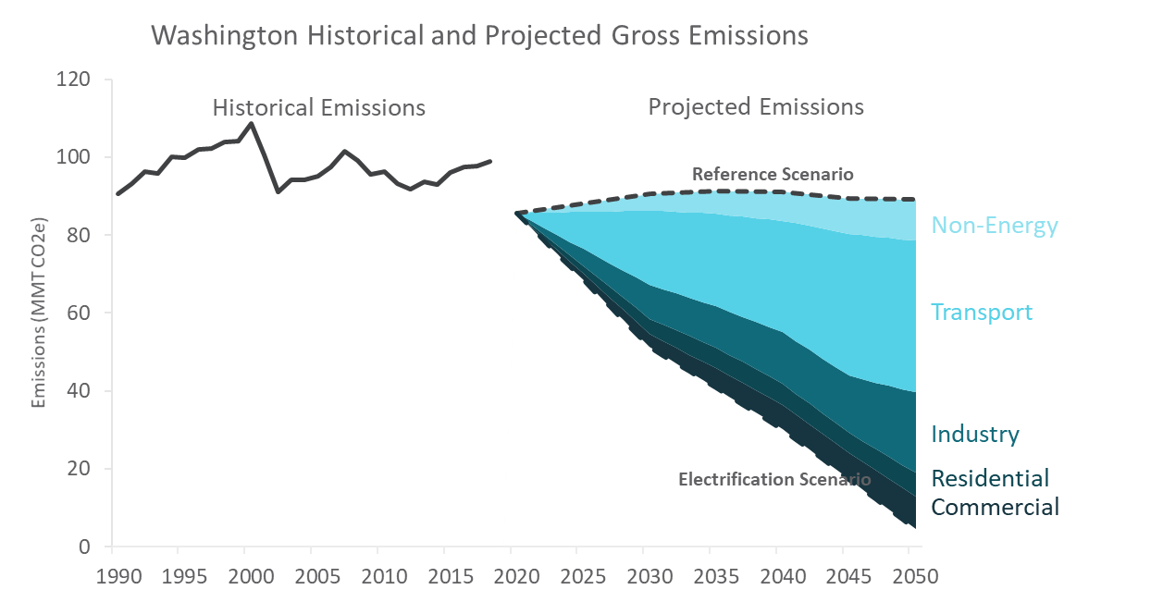
Emissions (MMT CO2e)
Total | Commercial | Residential | Industrial | Transport
90.5
93.1
96.2
95.8
100.0
99.9
102.0
102.2
103.8
104.2
108.6
100.5
91.1
94.2
94.1
95.1
97.4
101.4
99.0
95.6
96.4
93.2
91.8
93.6
93.0
95.9
97.6
97.7
98.9
71.1 | 7.3 | 11.4 | 17.4 | 34.9
...

D1.Final Energy Demand
Final Energy Demand
WA SES EER DDP Modeling Final Report Page 28

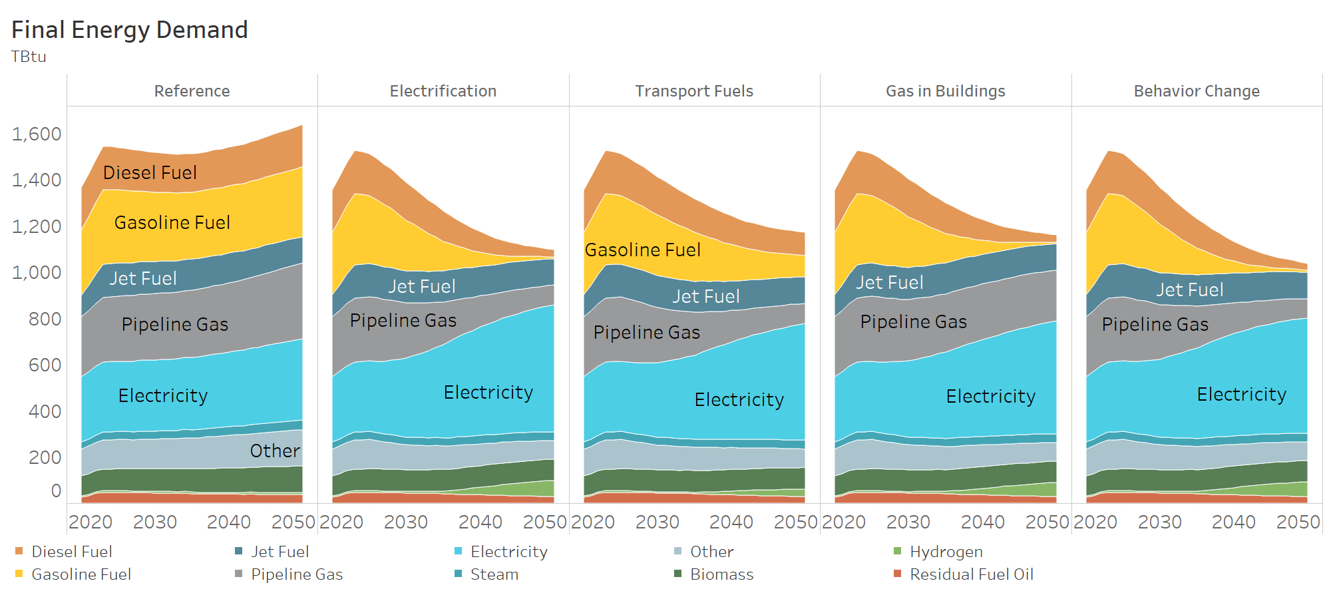
Final Energy Type | Scenario | Year | Energy Demand (Tbtu)
Diesel Fuel | Reference | 2020 | 183.7
Diesel Fuel | Reference | 2021 | 183.5
Diesel Fuel | Reference | 2022 | 184.1
Diesel Fuel | Reference | 2023 | 186.9
Diesel Fuel | Reference | 2024 | 185.0
Diesel Fuel | Reference | 2025 | 182.4
Diesel Fuel | Reference | 2026 | 179.7
Diesel Fuel | Reference | 2027 | 177.2
Diesel Fuel | Reference | 2028 | 174.8
Diesel Fuel | Reference | 2029 | 172.7
Diesel Fuel | Reference | 2030 | 171.2
Diesel Fuel | Reference | 2031 | 169.1
Diesel Fuel | Reference | 2032 | 167.5
Diesel Fuel | Reference | 2033 | 166.5
Diesel Fuel | Reference | 2034 | 166.0
Diesel Fuel | Reference | 2035 | 166.5
Diesel Fuel | Reference | 2036 | 166.3
Diesel Fuel | Reference | 2037 | 166.5
Diesel Fuel | Reference | 2038 | 167.2
Diesel Fuel | Reference | 2039 | 167.6
Diesel Fuel | Reference | 2040 | 167.9
Diesel Fuel | Reference | 2041 | 168.8
Diesel Fuel | Reference | 2042 | 169.4
Diesel Fuel | Reference | 2043 | 170.4
Diesel Fuel | Reference | 2044 | 172.0
Diesel Fuel | Reference | 2045 | 173.3
Diesel Fuel | Reference | 2046 | 174.8
Diesel Fuel | Reference | 2047 | 176.3
Diesel Fuel | Reference | 2048 | 178.0
Diesel Fuel | Reference | 2049 | 179.5
Diesel Fuel | Reference | 2050 | 181.0
Diesel Fuel | Electrification | 2020 | 183.7
...

D2.Final Energy Electricity
Final Energy Demand: Electricity
WA SES EER DDP Modeling Final Report Page 29

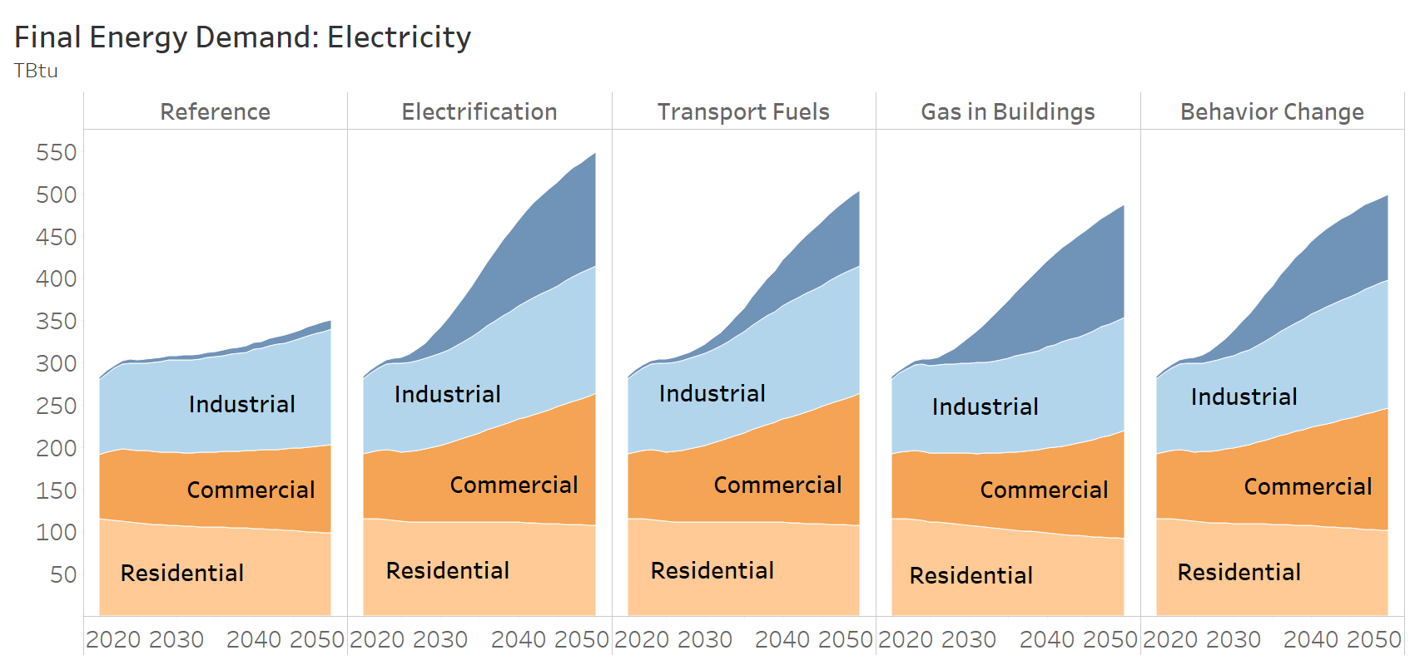
Scenario | Sector | Year | Energy Demand (Tbtu)
Reference | Transport | 2020 | 3.2
Reference | Transport | 2021 | 3.4
Reference | Transport | 2022 | 3.7
Reference | Transport | 2023 | 4.0
Reference | Transport | 2024 | 4.1
Reference | Transport | 2025 | 4.2
Reference | Transport | 2026 | 4.4
Reference | Transport | 2027 | 4.5
Reference | Transport | 2028 | 4.7
Reference | Transport | 2029 | 4.8
Reference | Transport | 2030 | 5.0
Reference | Transport | 2031 | 5.2
Reference | Transport | 2032 | 5.4
Reference | Transport | 2033 | 5.6
Reference | Transport | 2034 | 5.9
Reference | Transport | 2035 | 6.2
Reference | Transport | 2036 | 6.5
Reference | Transport | 2037 | 6.8
Reference | Transport | 2038 | 7.2
Reference | Transport | 2039 | 7.6
Reference | Transport | 2040 | 8.0
Reference | Transport | 2041 | 8.3
Reference | Transport | 2042 | 8.7
Reference | Transport | 2043 | 9.1
Reference | Transport | 2044 | 9.5
Reference | Transport | 2045 | 9.8
Reference | Transport | 2046 | 10.2
Reference | Transport | 2047 | 10.5
Reference | Transport | 2048 | 10.8
Reference | Transport | 2049 | 11.2
Reference | Transport | 2050 | 11.5
Reference | Industrial | 2020 | 87.9
Reference | Industrial | 2021 | 93.2
Reference | Industrial | 2022 | 97.0
Reference | Industrial | 2023 | 100.3
Reference | Industrial | 2024 | 102.7
Reference | Industrial | 2025 | 102.7
Reference | Industrial | 2026 | 103.8
Reference | Industrial | 2027 | 105.7
...

D3.LDV Sales Stock Demand
...
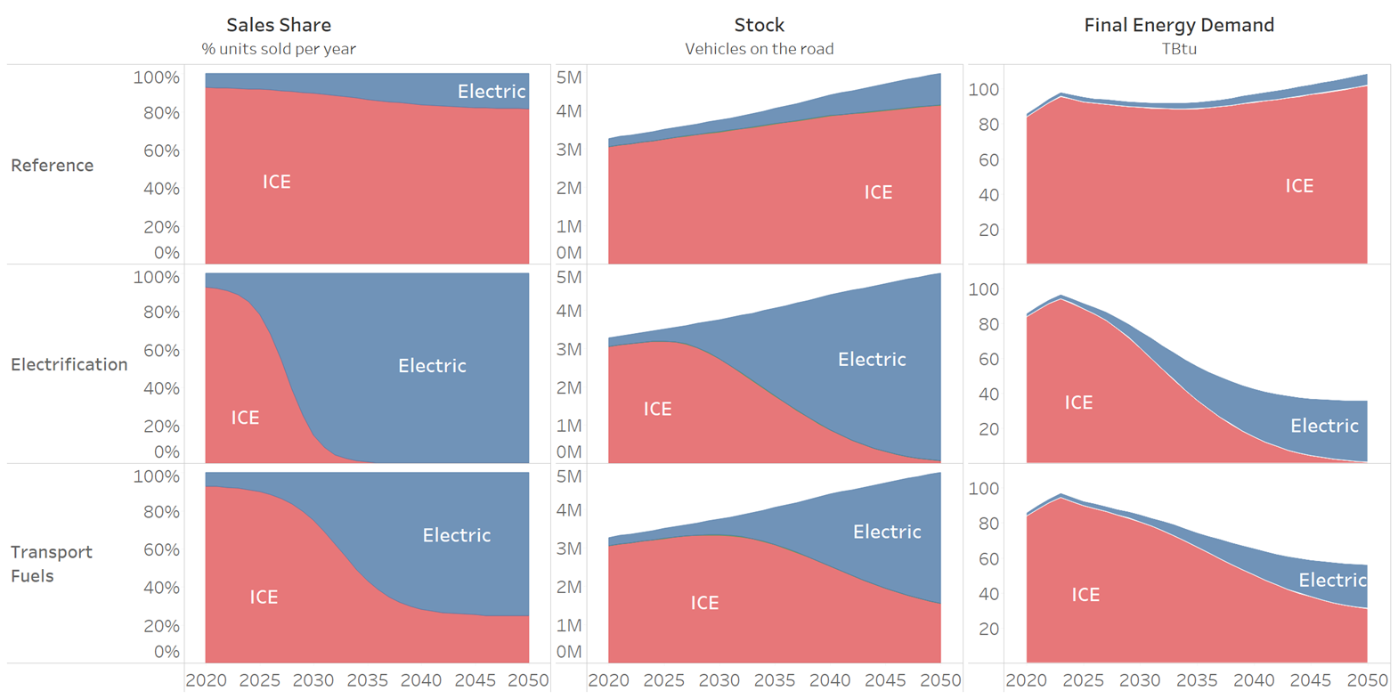
Scenario | Year | % of Total Sales | Vehicles (millions) | Energy Demand (Tbtu)
Reference | 2020 | 7.3% | 0.22 | 2.10
Reference | 2021 | 7.4% | 0.23 | 2.26
Reference | 2022 | 7.6% | 0.23 | 2.42
Reference | 2023 | 7.8% | 0.24 | 2.59
Reference | 2024 | 8.0% | 0.24 | 2.64
Reference | 2025 | 8.3% | 0.25 | 2.68
Reference | 2026 | 8.6% | 0.26 | 2.76
Reference | 2027 | 9.0% | 0.27 | 2.84
Reference | 2028 | 9.4% | 0.28 | 2.92
Reference | 2029 | 9.9% | 0.29 | 3.01
Reference | 2030 | 10.4% | 0.30 | 3.11
Reference | 2031 | 11.0% | 0.32 | 3.22
Reference | 2032 | 11.6% | 0.33 | 3.34
Reference | 2033 | 12.2% | 0.35 | 3.47
Reference | 2034 | 12.9% | 0.37 | 3.61
Reference | 2035 | 13.5% | 0.40 | 3.76
Reference | 2036 | 14.2% | 0.42 | 3.94
Reference | 2037 | 14.8% | 0.45 | 4.13
Reference | 2038 | 15.3% | 0.48 | 4.33
Reference | 2039 | 15.8% | 0.51 | 4.54
Reference | 2040 | 16.3% | 0.54 | 4.76
Reference | 2041 | 16.7% | 0.57 | 4.96
Reference | 2042 | 17.1% | 0.59 | 5.16
Reference | 2043 | 17.4% | 0.62 | 5.37
Reference | 2044 | 17.6% | 0.65 | 5.58
Reference | 2045 | 17.8% | 0.68 | 5.79
Reference | 2046 | 18.0% | 0.71 | 5.98
Reference | 2047 | 18.2% | 0.74 | 6.16
Reference | 2048 | 18.3% | 0.77 | 6.35
Reference | 2049 | 18.4% | 0.79 | 6.52
Reference | 2050 | 18.5% | 0.82 | 6.69
Electrification | 2020 | 7.3% | 0.22 | 2.10
Electrification | 2021 | 7.9% | 0.23 | 2.27
Electrification | 2022 | 9.1% | 0.23 | 2.47
Electrification | 2023 | 11.2% | 0.25 | 2.73
...

D4.HDV Sales Stock Demand
...
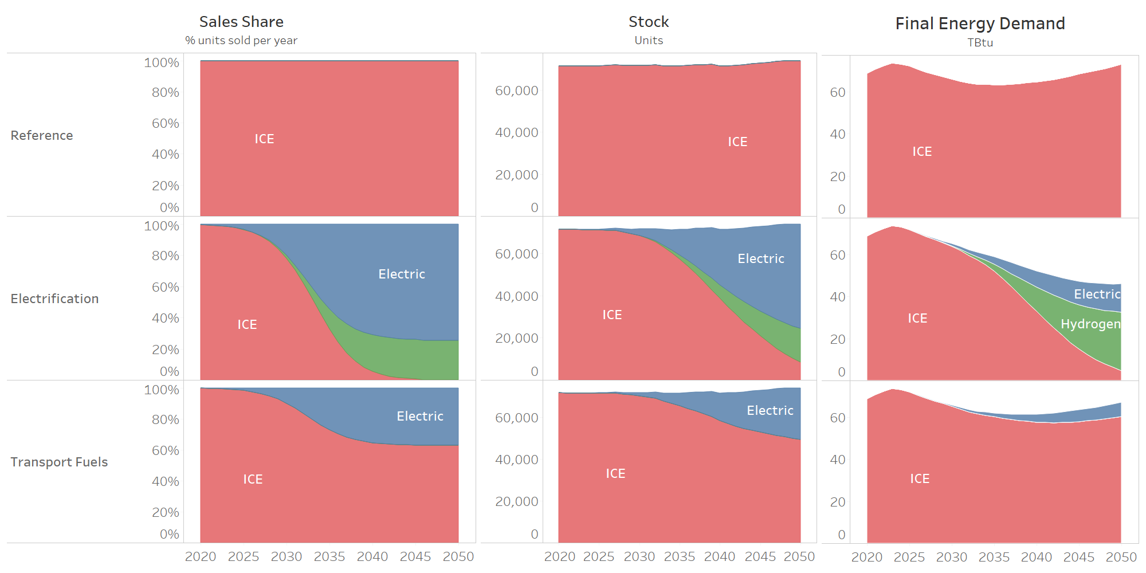
Scenario | Year | % of Total Sales | Vehicles | Energy Demand (Tbtu)
Reference | 2020 | 0.0% | 0 | 0.00
Reference | 2021 | 0.0% | 0 | 0.00
Reference | 2022 | 0.0% | 0 | 0.00
Reference | 2023 | 0.0% | 0 | 0.00
Reference | 2024 | 0.0% | 0 | 0.00
Reference | 2025 | 0.0% | 0 | 0.00
Reference | 2026 | 0.0% | 0 | 0.00
Reference | 2027 | 0.0% | 0 | 0.00
Reference | 2028 | 0.0% | 0 | 0.00
Reference | 2029 | 0.0% | 0 | 0.00
Reference | 2030 | 0.0% | 0 | 0.00
Reference | 2031 | 0.0% | 0 | 0.00
Reference | 2032 | 0.0% | 0 | 0.00
Reference | 2033 | 0.0% | 0 | 0.00
Reference | 2034 | 0.0% | 0 | 0.00
Reference | 2035 | 0.0% | 0 | 0.00
Reference | 2036 | 0.0% | 0 | 0.00
Reference | 2037 | 0.0% | 0 | 0.00
Reference | 2038 | 0.0% | 0 | 0.00
Reference | 2039 | 0.0% | 0 | 0.00
Reference | 2040 | 0.0% | 0 | 0.00
Reference | 2041 | 0.0% | 0 | 0.00
Reference | 2042 | 0.0% | 0 | 0.00
Reference | 2043 | 0.0% | 0 | 0.00
Reference | 2044 | 0.0% | 0 | 0.00
Reference | 2045 | 0.0% | 0 | 0.00
Reference | 2046 | 0.0% | 0 | 0.00
Reference | 2047 | 0.0% | 0 | 0.00
Reference | 2048 | 0.0% | 0 | 0.00
Reference | 2049 | 0.0% | 0 | 0.00
Reference | 2050 | 0.0% | 0 | 0.00
Electrification | 2020 | 0.5% | 23 | 0.01
Electrification | 2021 | 0.7% | 56 | 0.02
Electrification | 2022 | 1.1% | 108 | 0.04
Electrification | 2023 | 1.6% | 182 | 0.06
...

D5.Res Space Heating Demand
Residential Space Heating: Final Energy Demand
WA SES EER DDP Modeling Final Report Page 32

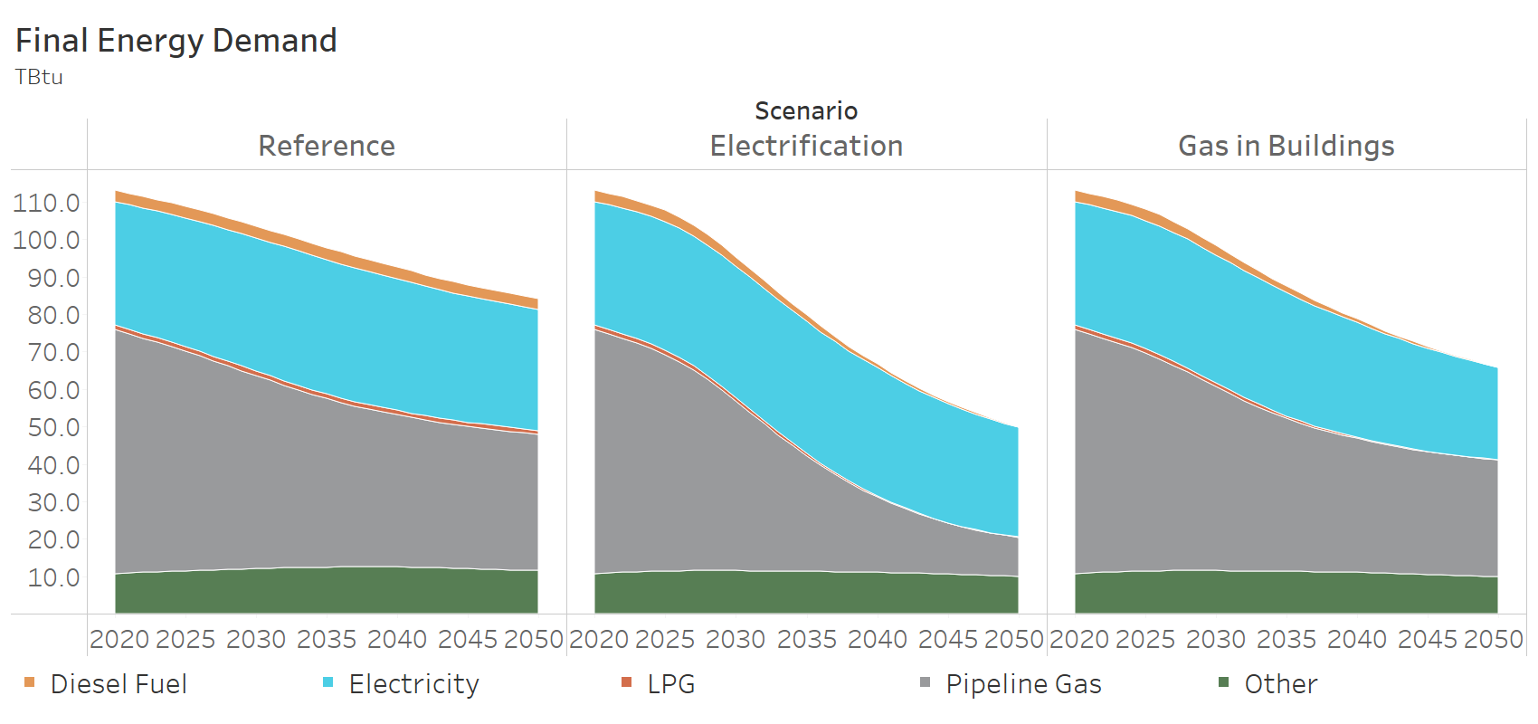
Final Energy Type | Scenario | Subsector | Year | TBtu
Diesel Fuel | Reference | residential space heating | 2020 | 3.03
Diesel Fuel | Reference | residential space heating | 2021 | 3.05
Diesel Fuel | Reference | residential space heating | 2022 | 3.06
Diesel Fuel | Reference | residential space heating | 2023 | 3.08
Diesel Fuel | Reference | residential space heating | 2024 | 3.09
Diesel Fuel | Reference | residential space heating | 2025 | 3.10
Diesel Fuel | Reference | residential space heating | 2026 | 3.11
Diesel Fuel | Reference | residential space heating | 2027 | 3.12
Diesel Fuel | Reference | residential space heating | 2028 | 3.13
Diesel Fuel | Reference | residential space heating | 2029 | 3.13
Diesel Fuel | Reference | residential space heating | 2030 | 3.14
Diesel Fuel | Reference | residential space heating | 2031 | 3.15
Diesel Fuel | Reference | residential space heating | 2032 | 3.16
Diesel Fuel | Reference | residential space heating | 2033 | 3.16
Diesel Fuel | Reference | residential space heating | 2034 | 3.16
Diesel Fuel | Reference | residential space heating | 2035 | 3.16
Diesel Fuel | Reference | residential space heating | 2036 | 3.16
Diesel Fuel | Reference | residential space heating | 2037 | 3.16
Diesel Fuel | Reference | residential space heating | 2038 | 3.15
Diesel Fuel | Reference | residential space heating | 2039 | 3.13
Diesel Fuel | Reference | residential space heating | 2040 | 3.12
Diesel Fuel | Reference | residential space heating | 2041 | 3.09
Diesel Fuel | Reference | residential space heating | 2042 | 3.06
Diesel Fuel | Reference | residential space heating | 2043 | 3.03
Diesel Fuel | Reference | residential space heating | 2044 | 3.00
Diesel Fuel | Reference | residential space heating | 2045 | 2.98
Diesel Fuel | Reference | residential space heating | 2046 | 2.95
Diesel Fuel | Reference | residential space heating | 2047 | 2.93
Diesel Fuel | Reference | residential space heating | 2048 | 2.91
Diesel Fuel | Reference | residential space heating | 2049 | 2.88
Diesel Fuel | Reference | residential space heating | 2050 | 2.86
Diesel Fuel | Electrification | residential space heating | 2020 | 3.03
Diesel Fuel | Electrification | residential space heating | 2021 | 3.04
Diesel Fuel | Electrification | residential space heating | 2022 | 3.05
...

D6.BC Transportation Demand
Behavior Change Final Energy Demand: Transportation
WA SES EER DDP Modeling Final Report Page 33

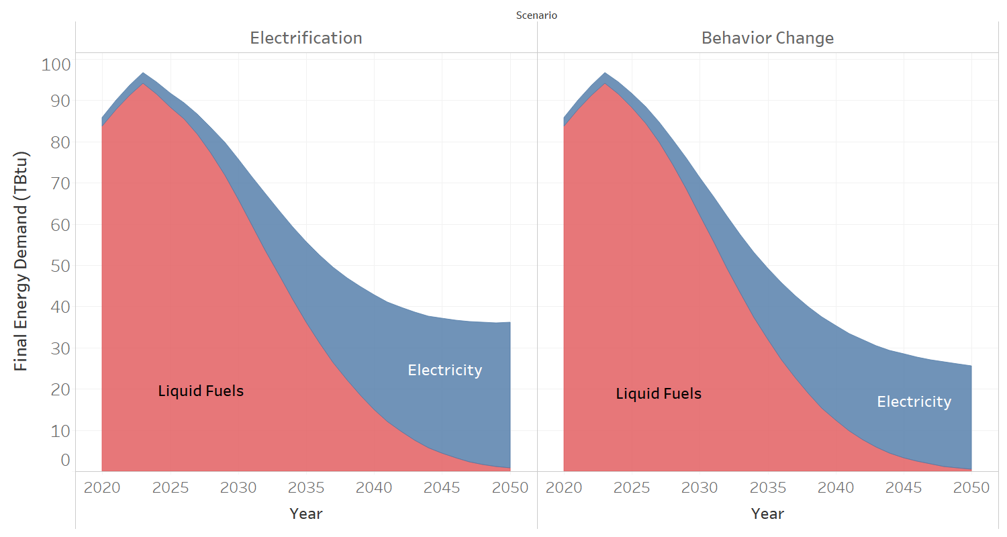
Final Energy Type | Scenario | Year | Energy Demand (Tbtu)
Electricity | Electrification | 2020 | 2.10
Electricity | Electrification | 2021 | 2.27
Electricity | Electrification | 2022 | 2.47
Electricity | Electrification | 2023 | 2.73
Electricity | Electrification | 2024 | 2.94
Electricity | Electrification | 2025 | 3.32
Electricity | Electrification | 2026 | 3.97
Electricity | Electrification | 2027 | 4.95
Electricity | Electrification | 2028 | 6.28
Electricity | Electrification | 2029 | 7.92
Electricity | Electrification | 2030 | 9.76
Electricity | Electrification | 2031 | 11.75
Electricity | Electrification | 2032 | 13.76
Electricity | Electrification | 2033 | 15.76
Electricity | Electrification | 2034 | 17.69
Electricity | Electrification | 2035 | 19.53
Electricity | Electrification | 2036 | 21.38
Electricity | Electrification | 2037 | 23.14
Electricity | Electrification | 2038 | 24.81
Electricity | Electrification | 2039 | 26.37
Electricity | Electrification | 2040 | 27.81
Electricity | Electrification | 2041 | 29.00
Electricity | Electrification | 2042 | 30.08
Electricity | Electrification | 2043 | 31.07
Electricity | Electrification | 2044 | 31.95
Electricity | Electrification | 2045 | 32.74
Electricity | Electrification | 2046 | 33.38
Electricity | Electrification | 2047 | 33.95
Electricity | Electrification | 2048 | 34.45
Electricity | Electrification | 2049 | 34.92
Electricity | Electrification | 2050 | 35.34
Electricity | Behavior Change | 2020 | 2.10
...

D7.BC Res Com Demand
Behavior Change Final Energy vs Electrification: Residential and Commercial
WA SES EER DDP Modeling Final Report Page 34

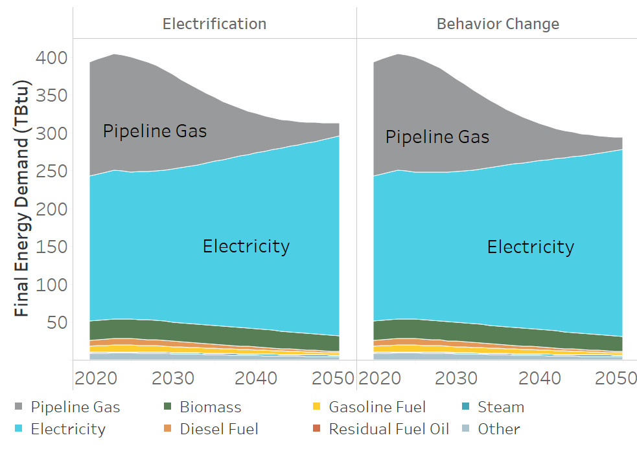
Final Energy Type | Scenario | Year | Energy Demand (Tbtu)
Pipeline Gas | Electrification | 2020 | 150.0
Pipeline Gas | Electrification | 2021 | 151.4
Pipeline Gas | Electrification | 2022 | 152.8
Pipeline Gas | Electrification | 2023 | 154.0
Pipeline Gas | Electrification | 2024 | 153.0
Pipeline Gas | Electrification | 2025 | 151.5
Pipeline Gas | Electrification | 2026 | 148.4
Pipeline Gas | Electrification | 2027 | 144.4
Pipeline Gas | Electrification | 2028 | 139.1
Pipeline Gas | Electrification | 2029 | 132.3
Pipeline Gas | Electrification | 2030 | 124.8
Pipeline Gas | Electrification | 2031 | 116.9
Pipeline Gas | Electrification | 2032 | 108.7
Pipeline Gas | Electrification | 2033 | 100.5
Pipeline Gas | Electrification | 2034 | 92.3
Pipeline Gas | Electrification | 2035 | 84.4
Pipeline Gas | Electrification | 2036 | 76.8
Pipeline Gas | Electrification | 2037 | 69.8
Pipeline Gas | Electrification | 2038 | 63.2
Pipeline Gas | Electrification | 2039 | 57.1
Pipeline Gas | Electrification | 2040 | 51.6
Pipeline Gas | Electrification | 2041 | 46.5
Pipeline Gas | Electrification | 2042 | 42.0
Pipeline Gas | Electrification | 2043 | 37.9
Pipeline Gas | Electrification | 2044 | 34.2
Pipeline Gas | Electrification | 2045 | 30.8
Pipeline Gas | Electrification | 2046 | 27.8
Pipeline Gas | Electrification | 2047 | 25.0
Pipeline Gas | Electrification | 2048 | 22.4
Pipeline Gas | Electrification | 2049 | 20.0
Pipeline Gas | Electrification | 2050 | 17.6
Pipeline Gas | Behavior Change | 2020 | 150.0
Pipeline Gas | Behavior Change | 2021 | 151.4
Pipeline Gas | Behavior Change | 2022 | 152.8
...

D8.Energy Demand in Buildings
Energy Demand in Buildings

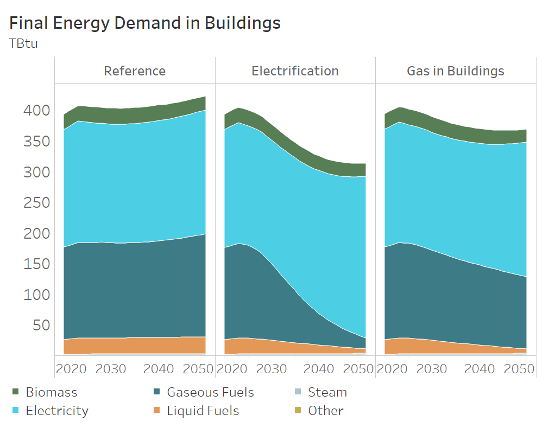
Final Energy Type | Scenario | Year | Energy Demand (Tbtu)
Biomass | Reference | 2020 | 24.974329143
Biomass | Reference | 2021 | 25.140107734
Biomass | Reference | 2022 | 25.236479039
Biomass | Reference | 2023 | 25.357947419
Biomass | Reference | 2024 | 25.545856144
Biomass | Reference | 2025 | 25.692084848
Biomass | Reference | 2026 | 25.796365798
Biomass | Reference | 2027 | 25.903113929
Biomass | Reference | 2028 | 25.965255099
Biomass | Reference | 2029 | 25.980167762
Biomass | Reference | 2030 | 25.959998271
Biomass | Reference | 2031 | 25.944848464
Biomass | Reference | 2032 | 25.929494918
Biomass | Reference | 2033 | 25.914597811
Biomass | Reference | 2034 | 25.869261425
Biomass | Reference | 2035 | 25.809515877
Biomass | Reference | 2036 | 25.75485022
Biomass | Reference | 2037 | 25.656292533
Biomass | Reference | 2038 | 25.541277221
Biomass | Reference | 2039 | 25.4185005
Biomass | Reference | 2040 | 25.277399019
Biomass | Reference | 2041 | 25.039634933
Biomass | Reference | 2042 | 24.818521941
Biomass | Reference | 2043 | 24.58239289
Biomass | Reference | 2044 | 24.309245653
Biomass | Reference | 2045 | 24.028210282
Biomass | Reference | 2046 | 23.742170644
Biomass | Reference | 2047 | 23.456553404
Biomass | Reference | 2048 | 23.176303236
...

S1.WA Electricity Capacity
Electricity Capacity in Washington
WA SES EER DDP Modeling Final Report Page 36

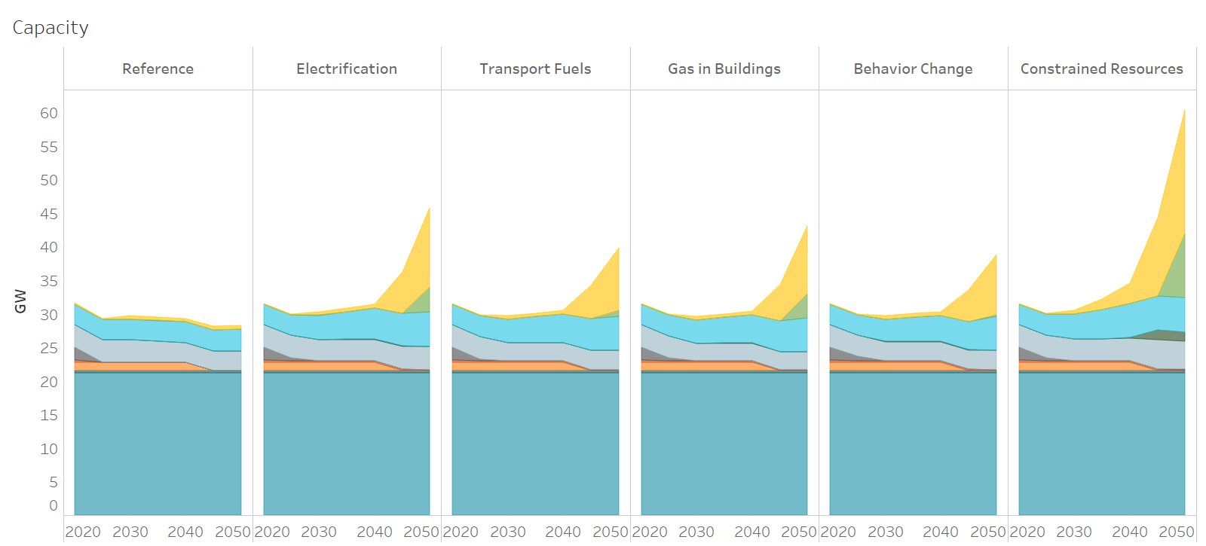
Resource | Scenario | Year | Capacity (GW)
PV | Reference | 2020 | 0.12
PV | Reference | 2025 | 0.10
PV | Reference | 2030 | 0.51
PV | Reference | 2035 | 0.51
PV | Reference | 2040 | 0.51
Solar PV
Onshore Wind
Battery Storage
Gas CCGT & CT
Coal
Other Resources
Nuclear
Hydro
Pumped Hydro
Offshore Wind
PV | Reference | 2045 | 0.51
PV | Reference | 2050 | 0.52
PV | Electrification | 2020 | 0.12
PV | Electrification | 2025 | 0.11
PV | Electrification | 2030 | 0.51
PV | Electrification | 2035 | 0.52
PV | Electrification | 2040 | 0.53
PV | Electrification | 2045 | 6.14
PV | Electrification | 2050 | 11.76
PV | Transport Fuels | 2020 | 0.12
PV | Transport Fuels | 2025 | 0.11
PV | Transport Fuels | 2030 | 0.51
PV | Transport Fuels | 2035 | 0.51
PV | Transport Fuels | 2040 | 0.52
PV | Transport Fuels | 2045 | 4.90
PV | Transport Fuels | 2050 | 9.29
PV | Gas in Buildings | 2020 | 0.12
PV | Gas in Buildings | 2025 | 0.11
PV | Gas in Buildings | 2030 | 0.51
PV | Gas in Buildings | 2035 | 0.51
PV | Gas in Buildings | 2040 | 0.52
PV | Gas in Buildings | 2045 | 5.30
PV | Gas in Buildings | 2050 | 10.07
PV | Behavior Change | 2020 | 0.12
PV | Behavior Change | 2025 | 0.11
...

S2.Capacity Additions
Capacity Additions in Washington and the Northwest
WA SES EER DDP Modeling Final Report Page 37

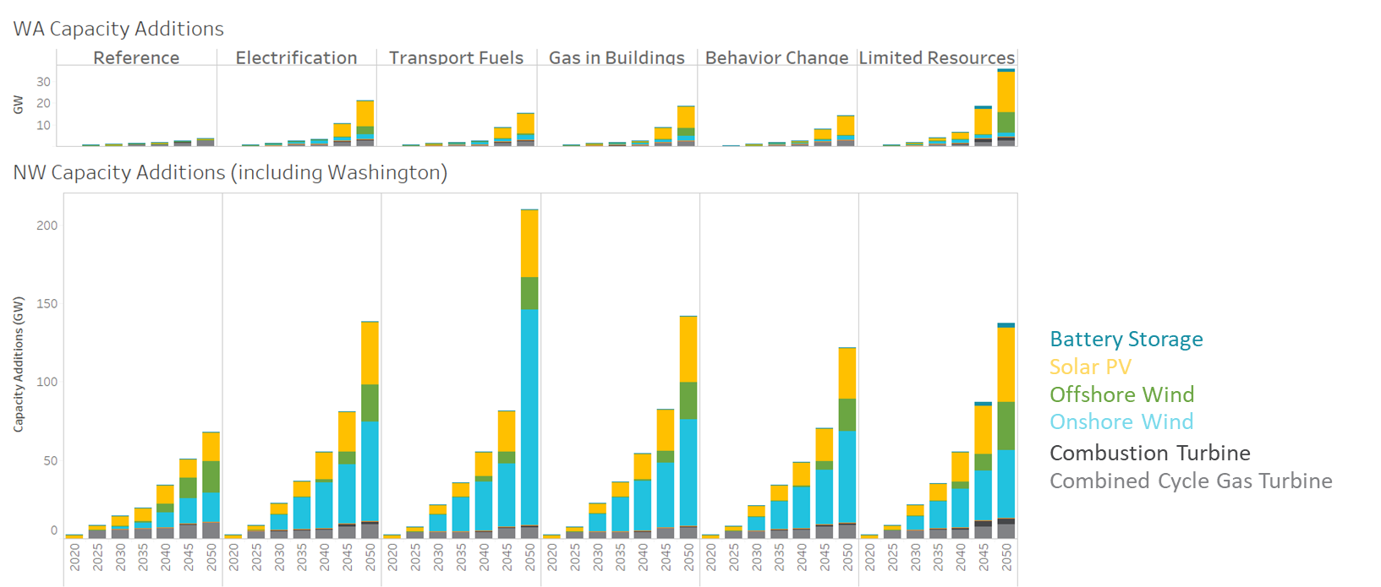
Region | Resource | Scenario | Year | Cumulative Capacity Additions (GW)
Washington | Battery Storage | Reference | 2020 | 0.01
Washington | Battery Storage | Reference | 2025 | 0.01
Washington | Battery Storage | Reference | 2030 | 0.01
Washington | Battery Storage | Reference | 2035 | 0.02
Washington | Battery Storage | Reference | 2040 | 0.03
Washington | Battery Storage | Reference | 2045 | 0.04
Washington | Battery Storage | Reference | 2050 | 0.05
Washington | Battery Storage | Electrification | 2020 | 0.00
Washington | Battery Storage | Electrification | 2025 | 0.01
Washington | Battery Storage | Electrification | 2030 | 0.01
Washington | Battery Storage | Electrification | 2035 | 0.03
Washington | Battery Storage | Electrification | 2040 | 0.04
Washington | Battery Storage | Electrification | 2045 | 0.10
Washington | Battery Storage | Electrification | 2050 | 0.10
Washington | Battery Storage | Transport Fuels | 2020 | 0.00
Washington | Battery Storage | Transport Fuels | 2025 | 0.01
Washington | Battery Storage | Transport Fuels | 2030 | 0.01
Washington | Battery Storage | Transport Fuels | 2035 | 0.02
Washington | Battery Storage | Transport Fuels | 2040 | 0.03
Washington | Battery Storage | Transport Fuels | 2045 | 0.05
Washington | Battery Storage | Transport Fuels | 2050 | 0.05
Washington | Battery Storage | Gas in Buildings | 2020 | 0.00
Washington | Battery Storage | Gas in Buildings | 2025 | 0.01
Washington | Battery Storage | Gas in Buildings | 2030 | 0.01
Washington | Battery Storage | Gas in Buildings | 2035 | 0.03
Washington | Battery Storage | Gas in Buildings | 2040 | 0.03
Washington | Battery Storage | Gas in Buildings | 2045 | 0.07
Washington | Battery Storage | Gas in Buildings | 2050 | 0.07
Washington | Battery Storage | Behavior Change | 2020 | 0.00
Washington | Battery Storage | Behavior Change | 2025 | 0.01
Washington | Battery Storage | Behavior Change | 2030 | 0.01
Washington | Battery Storage | Behavior Change | 2035 | 0.03
Washington | Battery Storage | Behavior Change | 2040 | 0.03
...

S3.WA Generation and Load
Generation and Load in Washington
WA SES EER DDP Modeling Final Report Page 38

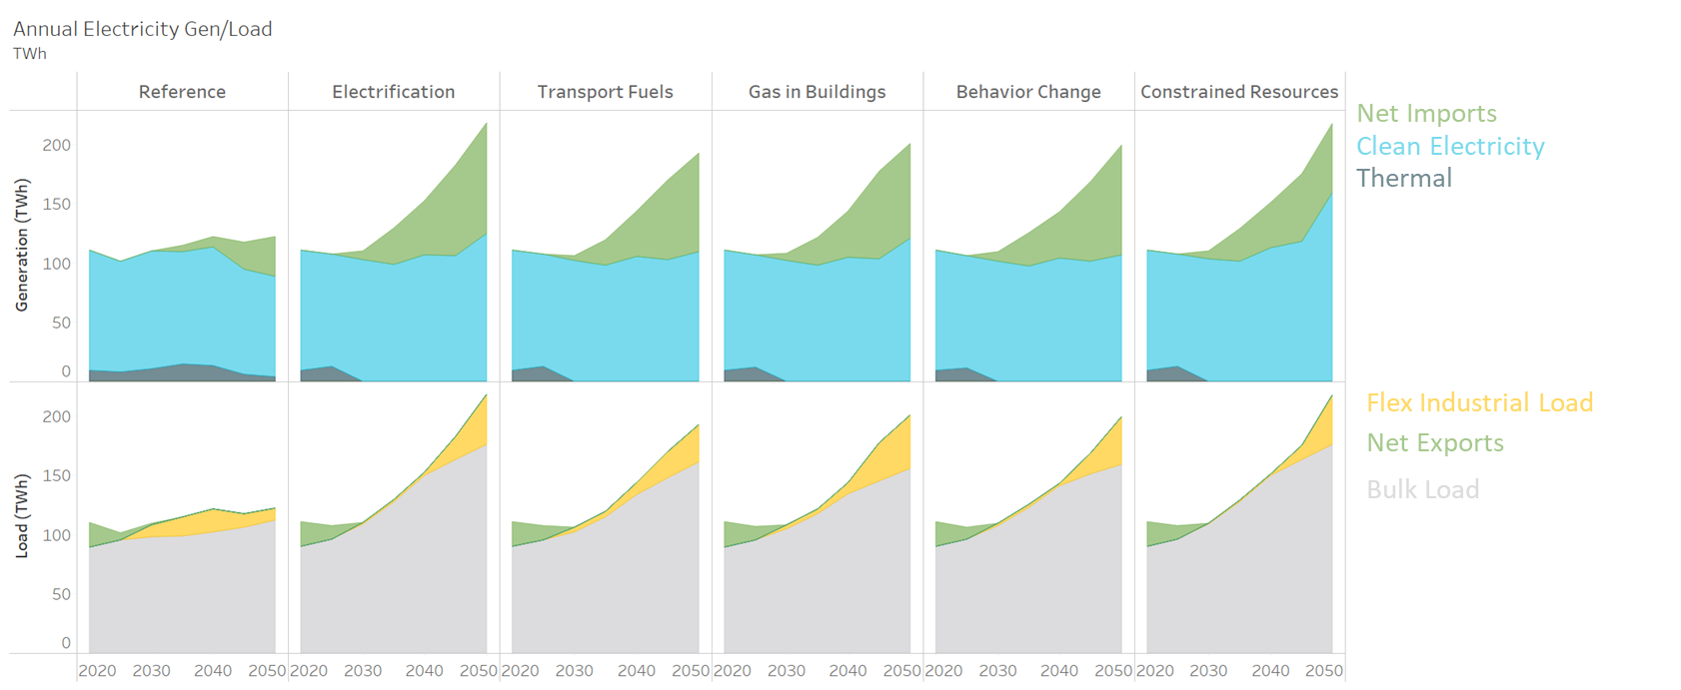
Resource | Scenario | Year | TWh_gen | TWh_load
New Industrial Loads | Reference | 2020 |  | 0.01
New Industrial Loads | Reference | 2025 |  | 0.24
New Industrial Loads | Reference | 2030 |  | 10.43
New Industrial Loads | Reference | 2035 |  | 15.90
New Industrial Loads | Reference | 2040 |  | 19.54
New Industrial Loads | Reference | 2045 |  | 11.80
New Industrial Loads | Reference | 2050 |  | 9.79
New Industrial Loads | Electrification | 2020 |  | 0.01
New Industrial Loads | Electrification | 2025 |  | 0.06
New Industrial Loads | Electrification | 2030 |  | 1.87
New Industrial Loads | Electrification | 2035 |  | 2.04
New Industrial Loads | Electrification | 2040 |  | 3.09
New Industrial Loads | Electrification | 2045 |  | 19.47
New Industrial Loads | Electrification | 2050 |  | 42.32
New Industrial Loads | Transport Fuels | 2020 |  | 0.01
New Industrial Loads | Transport Fuels | 2025 |  | 0.01
New Industrial Loads | Transport Fuels | 2030 |  | 3.89
New Industrial Loads | Transport Fuels | 2035 |  | 4.56
New Industrial Loads | Transport Fuels | 2040 |  | 9.80
New Industrial Loads | Transport Fuels | 2045 |  | 22.28
New Industrial Loads | Transport Fuels | 2050 |  | 31.68
New Industrial Loads | Gas in Buildings | 2020 |  | 0.01
New Industrial Loads | Gas in Buildings | 2025 |  | 0.03
New Industrial Loads | Gas in Buildings | 2030 |  | 3.65
New Industrial Loads | Gas in Buildings | 2035 |  | 3.98
New Industrial Loads | Gas in Buildings | 2040 |  | 9.78
New Industrial Loads | Gas in Buildings | 2045 |  | 32.11
New Industrial Loads | Gas in Buildings | 2050 |  | 44.70
New Industrial Loads | Behavior Change | 2020 |  | 0.01
New Industrial Loads | Behavior Change | 2025 |  | 0.06
New Industrial Loads | Behavior Change | 2030 |  | 2.15
New Industrial Loads | Behavior Change | 2035 |  | 2.14
...

S4.Imports into WA
Where do Imports Come from?
WA SES EER DDP Modeling Final Report Page 39

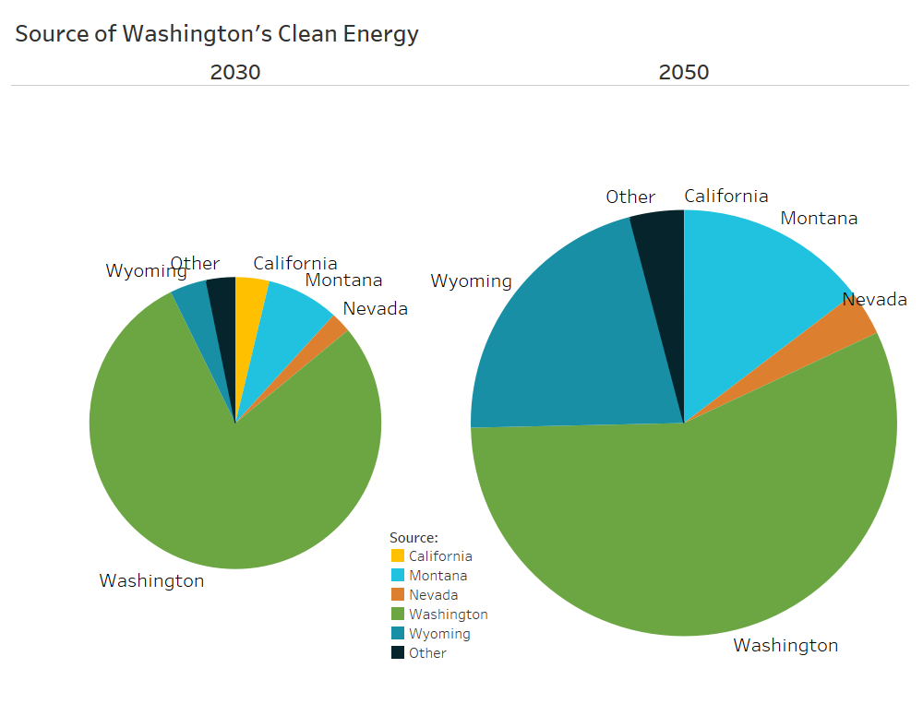
Resource Agg (group) | Year | Zone From | Imports (GWh)
Solar | 2030 | Arizona | 50
Solar | 2040 | Arizona | 75
Solar | 2050 | Arizona | 7553
Solar | 2030 | California | 3811
Solar | 2040 | California | 5866
Solar | 2050 | California | 16
Solar | 2030 | Colorado | 18
Solar | 2040 | Colorado | 20
Solar | 2050 | Colorado | 28
Solar | 2030 | Nevada | 2330
Solar | 2040 | Nevada | 4387
Solar | 2050 | Nevada | 7344
Solar | 2030 | New Mexico | 13
Solar | 2040 | New Mexico | 21
Solar | 2050 | New Mexico | 40
Solar | 2030 | Utah | 189
Solar | 2040 | Utah | 185
Solar | 2050 | Utah | 137
Wind | 2030 | Colorado | 1021
Wind | 2040 | Colorado | 1645
Wind | 2050 | Colorado | 1030
Wind | 2030 | Montana | 8149
Wind | 2040 | Montana | 26269
Wind | 2050 | Montana | 31791
Wind | 2030 | New Mexico | 1958
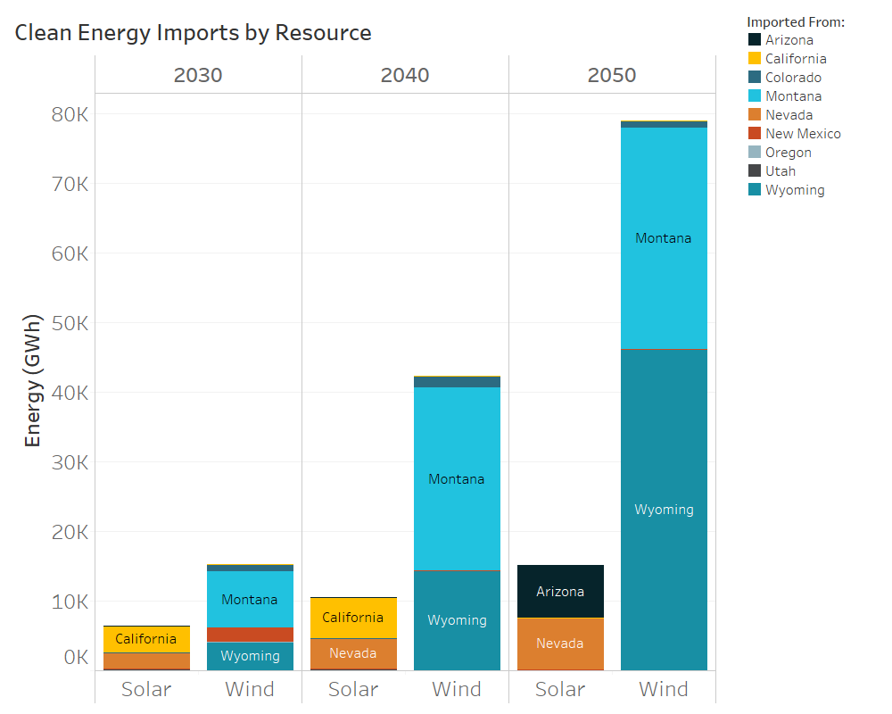
Wind | 2040 | New Mexico | 64
Wind | 2050 | New Mexico | 95
Wind | 2030 | Wyoming | 4167
Wind | 2040 | Wyoming | 14350
Wind | 2050 | Wyoming | 46107

S5.Transmission Capacity
Expanding Transmission Facilitates Imports
WA SES EER DDP Modeling Final Report Page 40

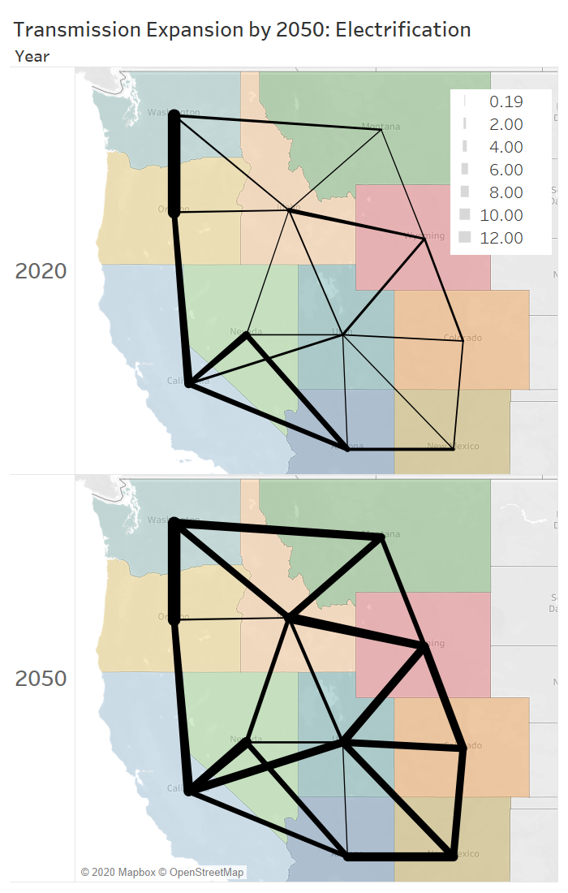
Corridor | Run Name | Year | Transmission Capacity (GW)
nevada->idaho | Electrification | 2020 | 0.19
montana->wyoming | Electrification | 2020 | 0.20
utah->arizona | Electrification | 2020 | 0.25
utah->arizona | Electrification | 2050 | 0.25
idaho->montana | Electrification | 2020 | 0.26
utah->new mexico | Electrification | 2020 | 0.30
nevada->utah | Electrification | 2020 | 0.50
oregon->idaho | Electrification | 2020 | 0.60
washington->idaho | Electrification | 2020 | 0.60
oregon->idaho | Electrification | 2050 | 0.60
new mexico->colorado | Electrification | 2020 | 0.61
utah->colorado | Electrification | 2020 | 0.65
idaho->utah | Electrification | 2020 | 0.78
idaho->utah | Electrification | 2050 | 1.19
washington->montana | Electrification | 2020 | 1.35
california->utah | Electrification | 2020 | 1.40
wyoming->colorado | Electrification | 2020 | 1.40
nevada->utah | Electrification | 2050 | 1.48
idaho->wyoming | Electrification | 2020 | 1.50
wyoming->utah | Electrification | 2020 | 1.80
arizona->new mexico | Electrification | 2020 | 2.40
california->arizona | Electrification | 2020 | 3.77
california->arizona | Electrification | 2050 | 3.77
california->nevada | Electrification | 2020 | 4.10
nevada->idaho | Electrification | 2050 | 4.36
washington->idaho | Electrification | 2050 | 4.53
oregon->california | Electrification | 2020 | 4.68
nevada->arizona | Electrification | 2020 | 4.73
nevada->arizona | Electrification | 2050 | 4.73
montana->wyoming | Electrification | 2050 | 4.99
utah->colorado | Electrification | 2050 | 5.90
oregon->california | Electrification | 2050 | 6.13
idaho->montana | Electrification | 2050 | 6.26
utah->new mexico | Electrification | 2050 | 6.30
new mexico->colorado | Electrification | 2050 | 6.61
washington->montana | Electrification | 2050 | 7.35
wyoming->colorado | Electrification | 2050 | 7.40
california->utah | Electrification | 2050 | 7.40
idaho->wyoming | Electrification | 2050 | 7.50
wyoming->utah | Electrification | 2050 | 7.60
arizona->new mexico | Electrification | 2050 | 8.40
california->nevada | Electrification | 2050 | 10.10
washington->oregon | Electrification | 2020 | 12.00
washington->oregon | Electrification | 2050 | 12.00
...

S6.Regional Elec Capacity
Regional Capacity in 2050
WA SES EER DDP Modeling Final Report Page 41

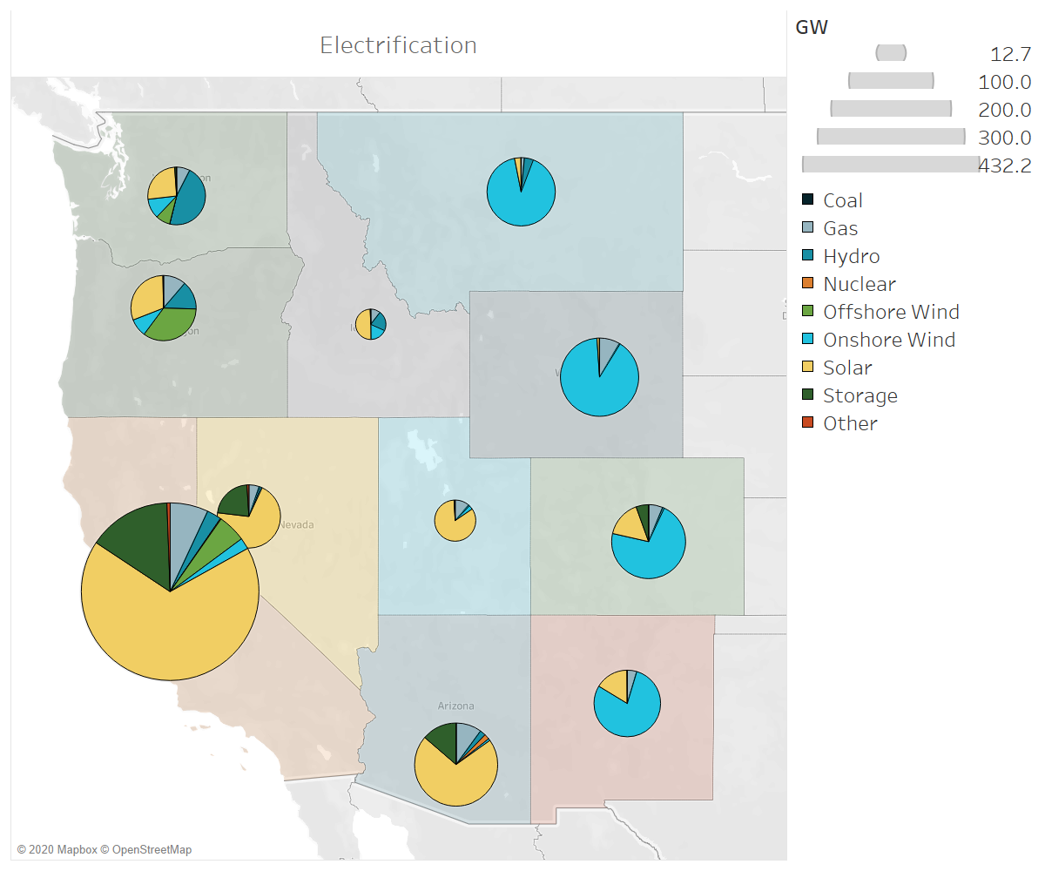
Resource | State | Capacity (GW)
Coal | arizona | 0.0
Gas | arizona | 9.5
Hydro | arizona | 2.1
Nuclear | arizona | 1.9
Onshore Wind | arizona | 0.8
Solar | arizona | 67.4
Storage | arizona | 12.9
Other | arizona | 0.0
Coal | california | 0.0
Gas | california | 30.0
Hydro | california | 11.3
Nuclear | california | 0.7
Offshore Wind | california | 22.1
Onshore Wind | california | 8.9
Solar | california | 291.3
Storage | california | 65.4
Other | california | 2.4
Coal | colorado | 0.0
Gas | colorado | 4.6
Hydro | colorado | 0.6
Onshore Wind | colorado | 53.7
Solar | colorado | 12.0
Storage | colorado | 4.1
Other | colorado | 0.0
Coal | idaho | 0.0
Gas | idaho | 1.3
Hydro | idaho | 2.7
Onshore Wind | idaho | 2.3
Solar | idaho | 6.3
Storage | idaho | 0.1
Other | idaho | 0.0
Coal | montana | 0.0
Gas | montana | 1.0
Hydro | montana | 2.7
Onshore Wind | montana | 58.4
Solar | montana | 1.9
...

S7.Fuels
Synthetic Fuels
Biofuels
Fossil Fuels
Hydrogen
Fuel Type used to meet Washington's Fuel Blend Demands
WA SES EER DDP Modeling Final Report Page 42

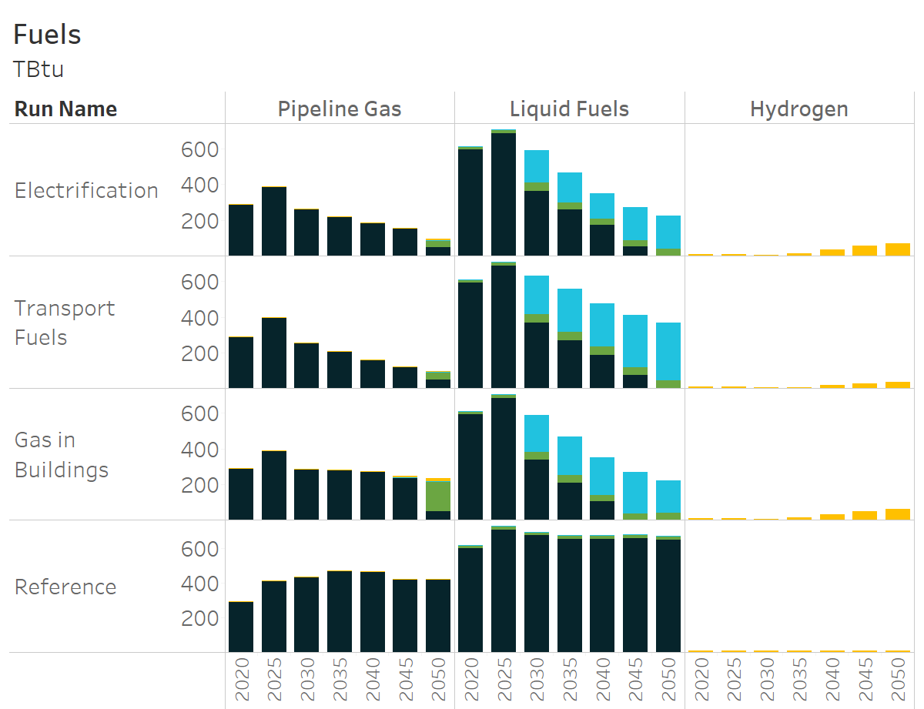
Fuel Blend | Fuel Type | Run Name | Year | TBtu
Pipeline Gas | H2 | Electrification | 2020 | 0.00
Pipeline Gas | H2 | Electrification | 2025 | 0.00
Pipeline Gas | H2 | Electrification | 2030 | 0.72
Pipeline Gas | H2 | Electrification | 2035 | 0.00
Pipeline Gas | H2 | Electrification | 2040 | 0.00
Pipeline Gas | H2 | Electrification | 2045 | 0.50
Pipeline Gas | H2 | Electrification | 2050 | 6.29
Pipeline Gas | H2 | Transport Fuels | 2020 | 0.00
Pipeline Gas | H2 | Transport Fuels | 2025 | 0.00
Pipeline Gas | H2 | Transport Fuels | 2030 | 0.94
Pipeline Gas | H2 | Transport Fuels | 2035 | 0.10
Pipeline Gas | H2 | Transport Fuels | 2040 | 0.61
Pipeline Gas | H2 | Transport Fuels | 2045 | 0.45
Pipeline Gas | H2 | Transport Fuels | 2050 | 6.78
Pipeline Gas | H2 | Gas in Buildings | 2020 | 0.00
Pipeline Gas | H2 | Gas in Buildings | 2025 | 0.00
Pipeline Gas | H2 | Gas in Buildings | 2030 | 0.79
Pipeline Gas | H2 | Gas in Buildings | 2035 | 0.00
Pipeline Gas | H2 | Gas in Buildings | 2040 | 0.37
Pipeline Gas | H2 | Gas in Buildings | 2045 | 5.62
Pipeline Gas | H2 | Gas in Buildings | 2050 | 16.30
Pipeline Gas | H2 | Reference | 2020 | 0.00
Pipeline Gas | H2 | Reference | 2025 | 0.00
Pipeline Gas | H2 | Reference | 2030 | 0.00
Pipeline Gas | H2 | Reference | 2035 | 0.00
Pipeline Gas | H2 | Reference | 2040 | 0.00
Pipeline Gas | H2 | Reference | 2045 | 0.00
Pipeline Gas | H2 | Reference | 2050 | 0.39
Hydrogen | H2 | Electrification | 2020 | 7.05
Hydrogen | H2 | Electrification | 2025 | 7.72
Hydrogen | H2 | Electrification | 2030 | 6.30
Hydrogen | H2 | Electrification | 2035 | 11.66
Hydrogen | H2 | Electrification | 2040 | 33.11
Hydrogen | H2 | Electrification | 2045 | 54.70
Hydrogen | H2 | Electrification | 2050 | 69.93
Hydrogen | H2 | Transport Fuels | 2020 | 7.04
...

S8.Source of Clean Fuels
...
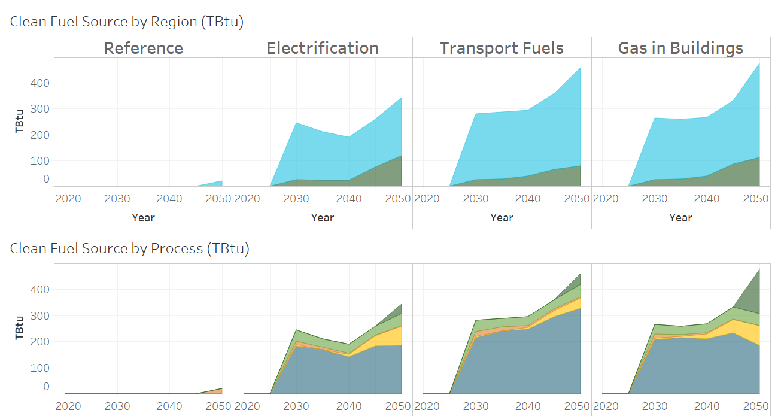
Scenario | Year | Fuel production process | TBtu
Reference | 2020 | Biogas production w/ CCU | 0.0
Reference | 2025 | Biogas production w/ CCU | 0.0
Reference | 2030 | Biogas production w/ CCU | 0.0
Reference | 2035 | Biogas production w/ CCU | 0.0
Rest of US
Reference | 2040 | Biogas production w/ CCU | 0.0
Reference | 2045 | Biogas production w/ CCU | 0.0
Washington
Reference | 2050 | Biogas production w/ CCU | 0.0
Electrification | 2020 | Biogas production w/ CCU | 0.0
Electrification | 2025 | Biogas production w/ CCU | 0.0
Electrification | 2030 | Biogas production w/ CCU | 0.0
Electrification | 2035 | Biogas production w/ CCU | 0.0
Electrification | 2040 | Biogas production w/ CCU | 0.0
Biogas
Electrification | 2045 | Biogas production w/ CCU | 0.0
Pyrolysis
Electrification | 2050 | Biogas production w/ CCU | 37.8
Transport Fuels | 2020 | Biogas production w/ CCU | 0.0
Cellulosic Ethanol
Transport Fuels | 2025 | Biogas production w/ CCU | 0.0
Electrolysis (for end use hydrogen)
Transport Fuels | 2030 | Biogas production w/ CCU | 0.0
Power to Liquids
Transport Fuels | 2035 | Biogas production w/ CCU | 0.0
Transport Fuels | 2040 | Biogas production w/ CCU | 0.0
Transport Fuels | 2045 | Biogas production w/ CCU | 0.0
Transport Fuels | 2050 | Biogas production w/ CCU | 41.0
Gas in Buildings | 2020 | Biogas production w/ CCU | 0.0
Gas in Buildings | 2025 | Biogas production w/ CCU | 0.0
Gas in Buildings | 2030 | Biogas production w/ CCU | 0.0
Gas in Buildings | 2035 | Biogas production w/ CCU | 0.0
Gas in Buildings | 2040 | Biogas production w/ CCU | 0.0
Gas in Buildings | 2045 | Biogas production w/ CCU | 0.0
Gas in Buildings | 2050 | Biogas production w/ CCU | 167.4
Reference | 2020 | Pyrolysis | 0.0
Reference | 2025 | Pyrolysis | 0.0
Reference | 2030 | Pyrolysis | 0.0
...

S9.Fuels Capacity 2050
Fuels Production Capacity by 2050
WA SES EER DDP Modeling Final Report Page 44

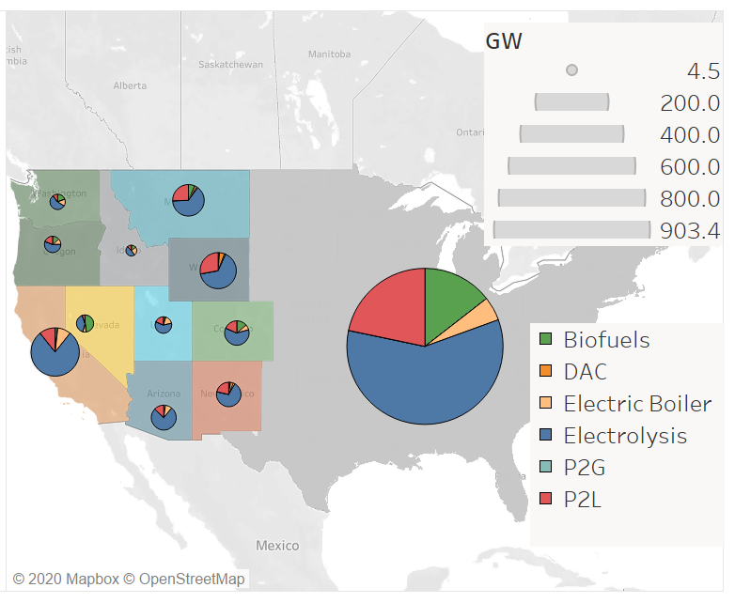
Scenario | Conversion Type | State | Capacity (GW)
Electrification | Biofuels | arizona | 0.5
Electrification | DAC | arizona | 0.0
Electrification | Electric Boiler | arizona | 2.0
Electrification | Electrolysis | arizona | 17.6
Electrification | P2G | arizona | 0.0
Electrification | P2L | arizona | 3.0
Electrification | Biofuels | california | 1.5
Electrification | DAC | california | 0.0
Electrification | Electric Boiler | california | 7.8
Electrification | Electrolysis | california | 68.2
Electrification | P2G | california | 0.0
Electrification | P2L | california | 9.3
Electrification | Biofuels | colorado | 2.9
Electrification | DAC | colorado | 0.2
Electrification | Electric Boiler | colorado | 1.5
Electrification | Electrolysis | colorado | 13.6
Electrification | P2G | colorado | 0.0
Electrification | P2L | colorado | 4.1
Electrification | Biofuels | idaho | 0.6
Electrification | DAC | idaho | 0.0
Electrification | Electric Boiler | idaho | 1.2
Electrification | Electrolysis | idaho | 2.1
Electrification | P2G | idaho | 0.0
Electrification | P2L | idaho | 0.6
Electrification | Biofuels | montana | 2.5
Electrification | DAC | montana | 0.8
Electrification | Electric Boiler | montana | 0.5
Electrification | Electrolysis | montana | 23.8
Electrification | P2G | montana | 0.0
Electrification | P2L | montana | 9.4
Electrification | Biofuels | nevada | 5.3
Electrification | DAC | nevada | 0.0
Electrification | Electric Boiler | nevada | 0.7
Electrification | Electrolysis | nevada | 4.4
Electrification | P2G | nevada | 0.0
Electrification | P2L | nevada | 0.6
...

S10.Hydrogen Demand Supply 2050
...
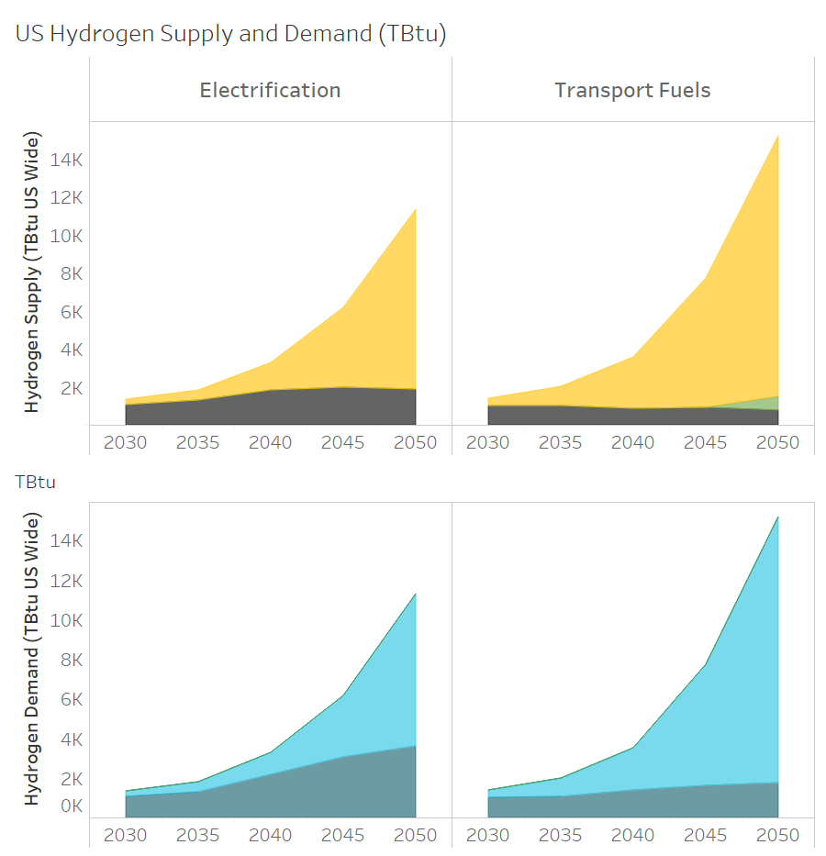
Hydrogen Supply | Scenario | Year | Supply (Tbtu)
Electrolysis | Electrification | 2030 | 305
Electrolysis | Electrification | 2035 | 532
Electrolysis | Electrification | 2040 | 1437
Electrolysis | Electrification | 2045 | 4175
Electrolysis | Electrification | 2050 | 9450
Gas Reformation
BECCS
Electrolysis
End Use Demand
Power to Liquids
Power to Gas
Electrolysis | Transport Fuels | 2030 | 363
Electrolysis | Transport Fuels | 2035 | 1007
Electrolysis | Transport Fuels | 2040 | 2715
Electrolysis | Transport Fuels | 2045 | 6834
Electrolysis | Transport Fuels | 2050 | 13727
BECCS | Electrification | 2030 | 0
BECCS | Electrification | 2035 | 0
BECCS | Electrification | 2040 | 0
BECCS | Electrification | 2045 | 0
BECCS | Electrification | 2050 | 0
BECCS | Transport Fuels | 2030 | 0
BECCS | Transport Fuels | 2035 | 0
BECCS | Transport Fuels | 2040 | 0
BECCS | Transport Fuels | 2045 | 0
BECCS | Transport Fuels | 2050 | 733
Gas Reformation w/ CCU | Electrification | 2030 | 3
Gas Reformation w/ CCU | Electrification | 2035 | 3
Gas Reformation w/ CCU | Electrification | 2040 | 3
Gas Reformation w/ CCU | Electrification | 2045 | 2
Gas Reformation w/ CCU | Electrification | 2050 | 0
Gas Reformation w/ CCU | Transport Fuels | 2030 | 20
Gas Reformation w/ CCU | Transport Fuels | 2035 | 20
Gas Reformation w/ CCU | Transport Fuels | 2040 | 20
Gas Reformation w/ CCU | Transport Fuels | 2045 | 2
Gas Reformation w/ CCU | Transport Fuels | 2050 | 0
Gas Reformation | Electrification | 2030 | 1049
Gas Reformation | Electrification | 2035 | 1283
Gas Reformation | Electrification | 2040 | 1830
Gas Reformation | Electrification | 2045 | 1999
Gas Reformation | Electrification | 2050 | 1897
Gas Reformation | Transport Fuels | 2030 | 1002
Gas Reformation | Transport Fuels | 2035 | 990
...

S11.Carbon Demand Supply 2050
...
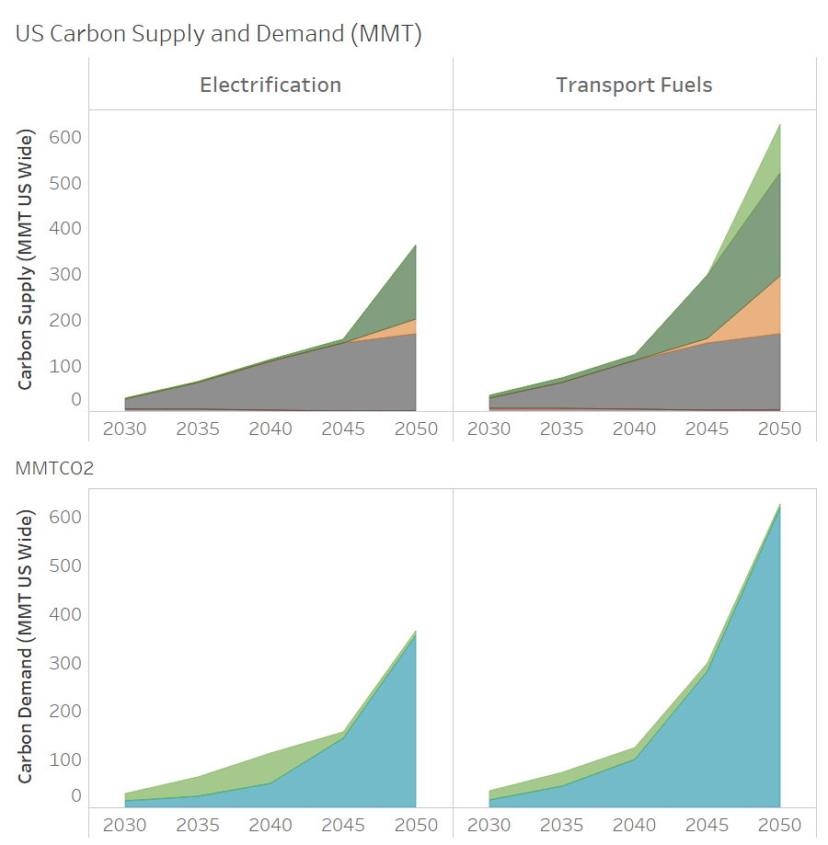
Carbon Supply | Run Name | Year | Supply (MMT)
Biofuels | Electrification | 2030 | 0
Biofuels | Electrification | 2035 | 0
Biofuels | Electrification | 2040 | 0
Biofuels | Electrification | 2045 | 0
DAC
Pyrolysis with CCU
BECCS H2
Power to Liquids
Power to Gas
Sequestration
Industrial CCU
Biofuels | Electrification | 2050 | 2
Biofuels | Transport Fuels | 2030 | 0
Biofuels | Transport Fuels | 2035 | 0
Biofuels | Transport Fuels | 2040 | 0
Biofuels | Transport Fuels | 2045 | 0
Biofuels | Transport Fuels | 2050 | 107
Biomass Pyrolysis with CCU | Electrification | 2030 | 2
Biomass Pyrolysis with CCU | Electrification | 2035 | 2
Biomass Pyrolysis with CCU | Electrification | 2040 | 3
Biomass Pyrolysis with CCU | Electrification | 2045 | 8
Biomass Pyrolysis with CCU | Electrification | 2050 | 161
Biomass Pyrolysis with CCU | Transport Fuels | 2030 | 6
Biomass Pyrolysis with CCU | Transport Fuels | 2035 | 9
Biomass Pyrolysis with CCU | Transport Fuels | 2040 | 12
Biomass Pyrolysis with CCU | Transport Fuels | 2045 | 138
Biomass Pyrolysis with CCU | Transport Fuels | 2050 | 225
DAC | Electrification | 2030 | 0
DAC | Electrification | 2035 | 0
DAC | Electrification | 2040 | 0
DAC | Electrification | 2045 | 0
DAC | Electrification | 2050 | 32
DAC | Transport Fuels | 2030 | 0
DAC | Transport Fuels | 2035 | 0
DAC | Transport Fuels | 2040 | 0
DAC | Transport Fuels | 2045 | 10
DAC | Transport Fuels | 2050 | 125
Industry | Electrification | 2030 | 22
Industry | Electrification | 2035 | 57
Industry | Electrification | 2040 | 106
Industry | Electrification | 2045 | 147
Industry | Electrification | 2050 | 167
Industry | Transport Fuels | 2030 | 22
Industry | Transport Fuels | 2035 | 57
...

S12.Washington Dispatch 2050
Balancing the System: High Energy and Low Energy Days in Washington 2050
WA SES EER DDP Modeling Final Report Page 46

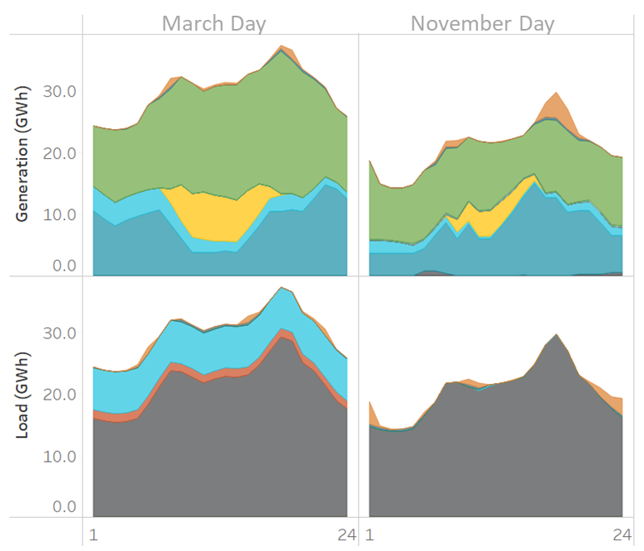
Solar
Energy Storage
Flexible Load
Other Conversion
Storage
Flexible Load
Wind
Hydro
Gas
Electrolysis
End-use Load
Imports
Hour | Resource | Day | Generation (GWh) | Load (GWh)
1 | Flexible Load | March Day | 0.00
2 | Flexible Load | March Day |  | 0.00
3 | Flexible Load | March Day |  | 0.00
4 | Flexible Load | March Day |  | 0.07
5 | Flexible Load | March Day |  | 0.40
6 | Flexible Load | March Day |  | 1.19
7 | Flexible Load | March Day | 0.32
8 | Flexible Load | March Day | 1.33
9 | Flexible Load | March Day |  | 0.20
10 | Flexible Load | March Day | 0.03
11 | Flexible Load | March Day | 0.31
12 | Flexible Load | March Day | 0.27
13 | Flexible Load | March Day | 0.35
14 | Flexible Load | March Day | 0.25
15 | Flexible Load | March Day |  | 1.11
16 | Flexible Load | March Day |  | 0.26
17 | Flexible Load | March Day | 0.06
18 | Flexible Load | March Day | 0.54
19 | Flexible Load | March Day | 1.45
20 | Flexible Load | March Day |  | 0.21
21 | Flexible Load | March Day |  | 0.38
22 | Flexible Load | March Day |  | 1.11
23 | Flexible Load | March Day | 0.00
24 | Flexible Load | March Day |  | 0.00
1 | Energy Storage | March Day | 0.02 | 0.11
2 | Energy Storage | March Day | 0.02 | 0.10
3 | Energy Storage | March Day | 0.02 | 0.10
4 | Energy Storage | March Day | 0.02 | 0.09
5 | Energy Storage | March Day | 0.03 | 0.09
6 | Energy Storage | March Day | 0.03 | 0.07
7 | Energy Storage | March Day | 0.29 | 0.01
8 | Energy Storage | March Day | 0.29 | 0.01
...

S13.Western Dispatch 2050
Balancing the System: High Energy and Low Energy Days in the Western States 2050
WA SES EER DDP Modeling Final Report Page 46

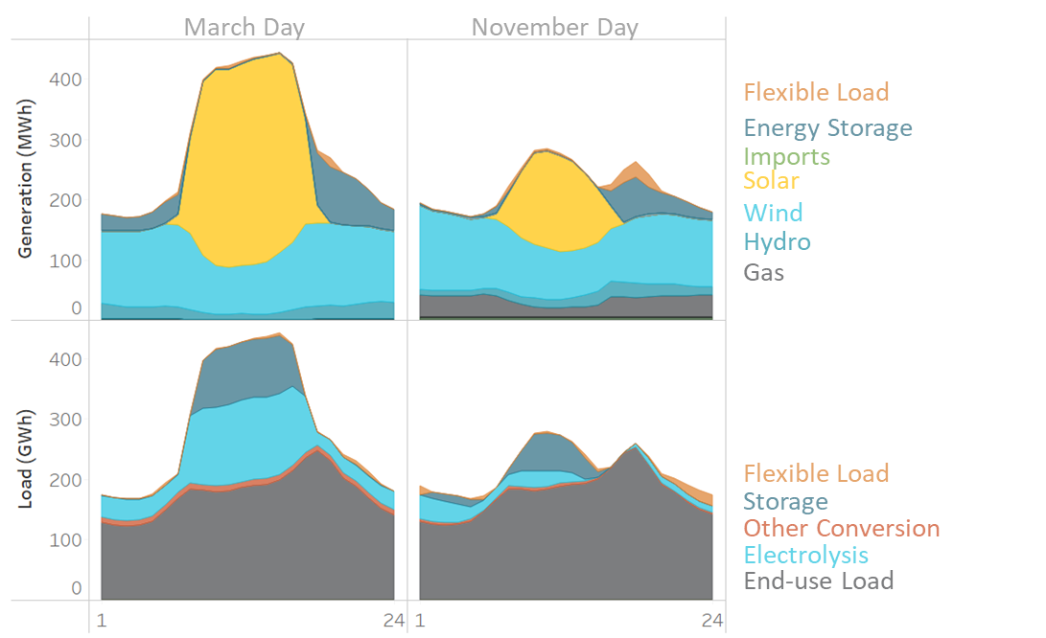
Hour | Resource | Day | Generation (GWh) | Load (GWh)
1 | Flexible Load | March Day | 0.25 | 0.00
2 | Flexible Load | March Day | 0.00 | 0.00
3 | Flexible Load | March Day | 0.00 | 0.01
4 | Flexible Load | March Day | 0.00 | 0.78
5 | Flexible Load | March Day | 0.00 | 2.70
6 | Flexible Load | March Day | 0.29 | 3.92
7 | Flexible Load | March Day | 4.50 | 0.00
8 | Flexible Load | March Day | 2.75 | 0.00
9 | Flexible Load | March Day | 1.09 | 0.39
10 | Flexible Load | March Day | 1.64 | 0.67
11 | Flexible Load | March Day | 4.46
12 | Flexible Load | March Day | 3.35
13 | Flexible Load | March Day | 1.55 | 1.44
14 | Flexible Load | March Day | 0.52 | 4.10
15 | Flexible Load | March Day | 0.17 | 3.27
16 | Flexible Load | March Day | 0.27 | 2.02
17 | Flexible Load | March Day | 0.95 | 0.77
18 | Flexible Load | March Day | 4.95 | 0.53
19 | Flexible Load | March Day | 15.53 | 0.73
20 | Flexible Load | March Day |  | 4.75
21 | Flexible Load | March Day |  | 7.04
22 | Flexible Load | March Day | 0.00 | 7.19
23 | Flexible Load | March Day | 0.00 | 1.80
24 | Flexible Load | March Day | 0.00 | 0.16
1 | Energy Storage | March Day | 27.33 | 0.59
2 | Energy Storage | March Day | 24.25 | 0.58
3 | Energy Storage | March Day | 21.68 | 0.58
4 | Energy Storage | March Day | 22.77 | 0.57
5 | Energy Storage | March Day | 26.57 | 0.55
6 | Energy Storage | March Day | 36.30 | 0.52
7 | Energy Storage | March Day | 31.18 | 0.47
8 | Energy Storage | March Day | 4.74 | 0.81
...

S14.West Season Balancing 2050
Seasonal Balancing in 2050: West Wide
WA SES EER DDP Modeling Final Report Page 47

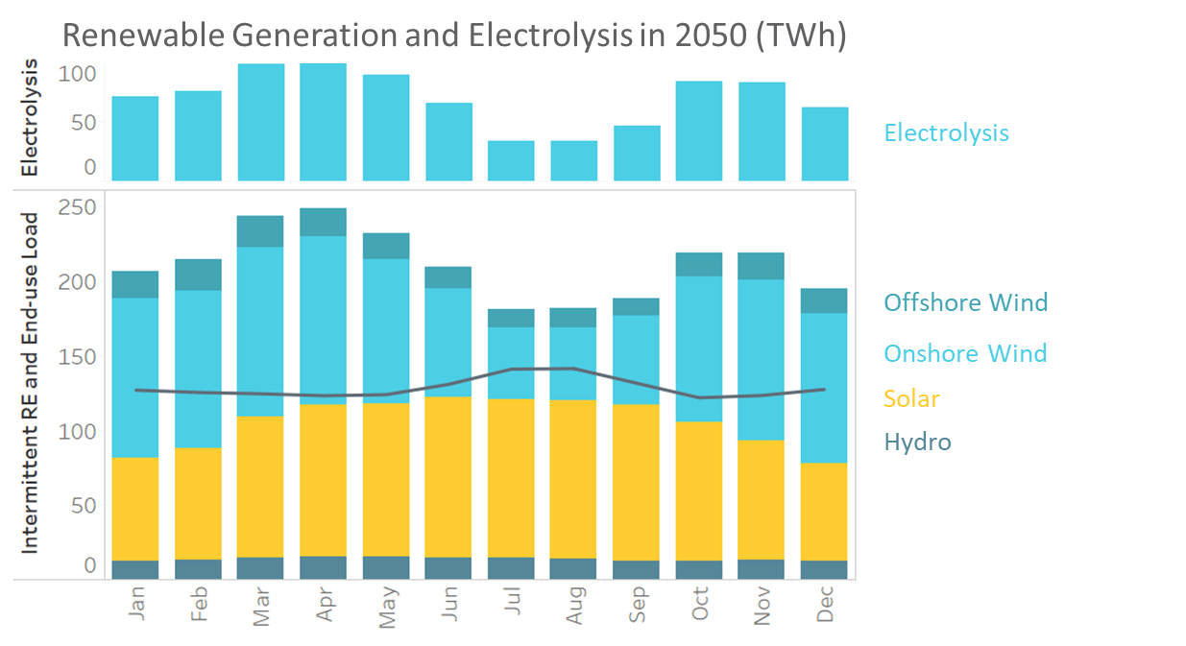
Month | Resource | TWh
Jan | Offshore Wind | 18
Jan | Onshore Wind | 107
Jan | Solar | 69
Jan | Hydro | 13
Feb | Offshore Wind | 21
Feb | Onshore Wind | 106
Feb | Solar | 75
Feb | Hydro | 13
Mar | Offshore Wind | 21
Mar | Onshore Wind | 113
Mar | Solar | 94
Mar | Hydro | 15
Apr | Offshore Wind | 19
Apr | Onshore Wind | 113
Apr | Solar | 102
Apr | Hydro | 15
May | Offshore Wind | 18
May | Onshore Wind | 97
May | Solar | 102
May | Hydro | 15
Jun | Offshore Wind | 15
Jun | Onshore Wind | 73
Jun | Solar | 107
Jun | Hydro | 15
Jul | Offshore Wind | 13
Jul | Onshore Wind | 48
Jul | Solar | 107
Jul | Hydro | 14
Aug | Offshore Wind | 13
Aug | Onshore Wind | 49
Aug | Solar | 106
Aug | Hydro | 14
...

S15.Washington Balancing 2050
Washington’s Main Balancing Resources 2050
WA SES EER DDP Modeling Final Report Page 48

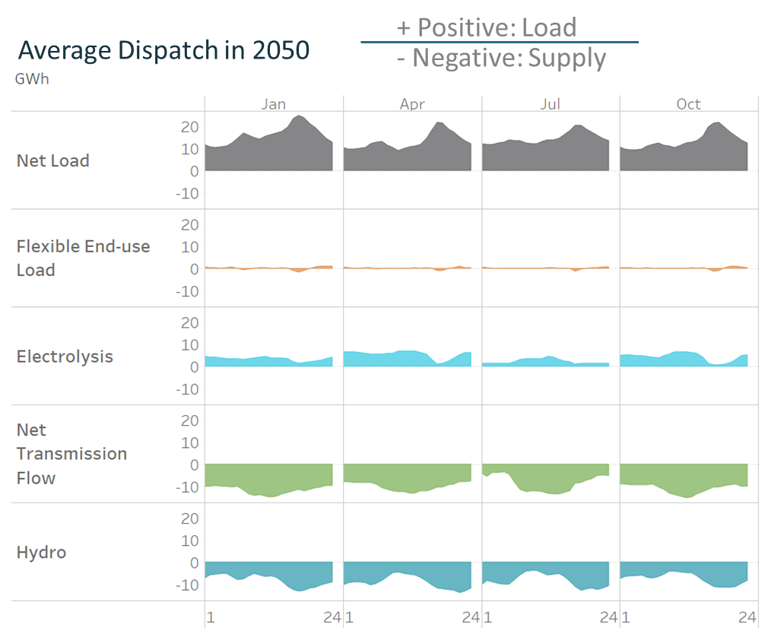
Balancing Component | Month | Timestep | Average Dispatch (GWh)
Net Load | Jan | 0 | 11.652015236
Net Load | Jan | 1 | 10.759569877
Net Load | Jan | 2 | 10.403658036
Net Load | Jan | 3 | 10.487145012
Net Load | Jan | 4 | 10.85069794
Net Load | Jan | 5 | 12.461930704
Net Load | Jan | 6 | 14.554840981
Net Load | Jan | 7 | 16.70386905
Net Load | Jan | 8 | 15.902156294
Net Load | Jan | 9 | 14.960512817
Net Load | Jan | 10 | 14.24193497
Net Load | Jan | 11 | 15.356265258
Net Load | Jan | 12 | 16.183062632
Net Load | Jan | 13 | 16.845084033
Net Load | Jan | 14 | 17.554574399
Net Load | Jan | 15 | 19.749140206
Net Load | Jan | 16 | 23.456772165
Net Load | Jan | 17 | 24.902703632
Net Load | Jan | 18 | 23.882824128
Net Load | Jan | 19 | 20.886443698
Net Load | Jan | 20 | 19.149519285
Net Load | Jan | 21 | 16.802625941
Net Load | Jan | 22 | 14.509419161
Net Load | Jan | 23 | 12.754539353
Net Load | Apr | 0 | 10.159344558
Net Load | Apr | 1 | 9.603375622
Net Load | Apr | 2 | 9.467580784
Net Load | Apr | 3 | 9.80626752
Net Load | Apr | 4 | 10.439279
Net Load | Apr | 5 | 12.058775258
Net Load | Apr | 6 | 12.833216882
Net Load | Apr | 7 | 13.03717149
Net Load | Apr | 8 | 11.40521994
Net Load | Apr | 9 | 10.379680355
Net Load | Apr | 10 | 9.070445054
Net Load | Apr | 11 | 9.821206933
Net Load | Apr | 12 | 10.779836123
...

C1.Average Energy Spending GDP
How much does Decarbonization Cost? Average Annual Energy Expenditure
WA SES EER DDP Modeling Final Report Page 52

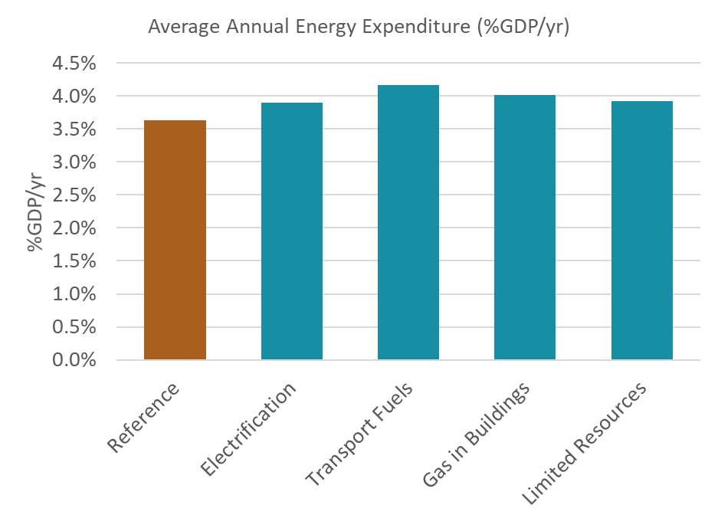
Scenario | Average Annual Energy Expenditure (%GDP/yr)
Reference | 3.6%
Electrification | 3.9%
Transport Fuels | 4.2%
Gas in Buildings | 4.0%
Limited Resources | 3.9%
Behavior Change | 3.8%

C2.Annual Net Cost GDP
How much does Decarbonization Cost? Average Annual Energy Expenditure
WA SES EER DDP Modeling Final Report Page 52

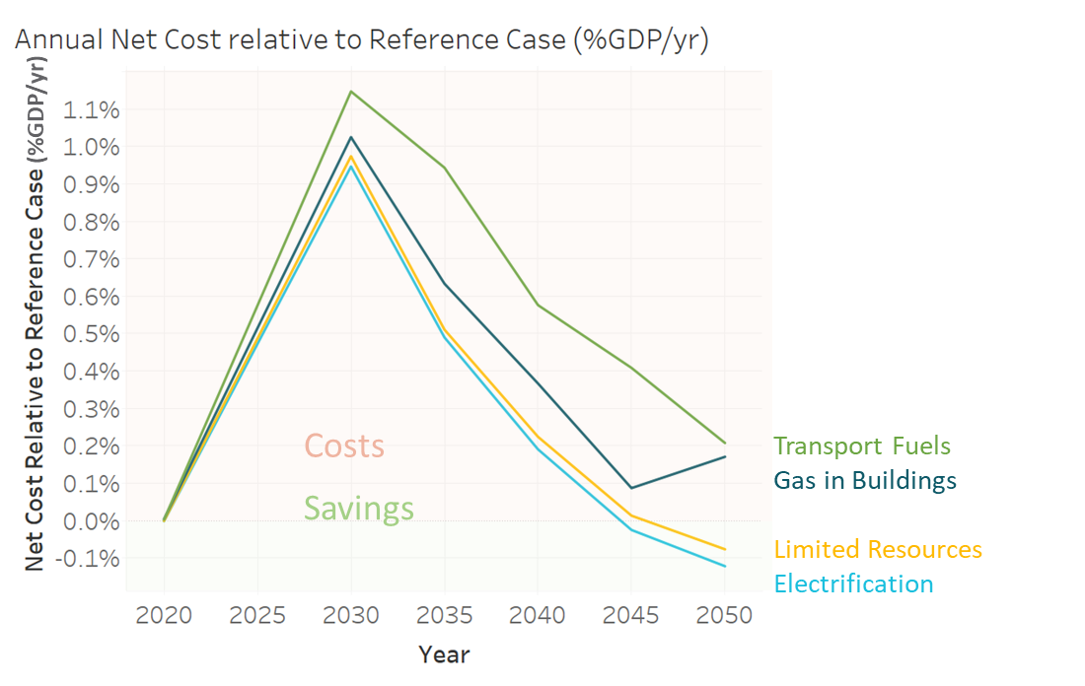
Scenario Aliases | Year | Net Cost Relative to Reference Case (%GDP/yr)
Transport Fuels | 2020 | 0.00%
Transport Fuels | 2030 | 1.15%
Transport Fuels | 2035 | 0.94%
Transport Fuels | 2040 | 0.58%
Transport Fuels | 2045 | 0.41%
Transport Fuels | 2050 | 0.21%
Gas in Buildings | 2020 | 0.00%
Gas in Buildings | 2030 | 1.02%
Gas in Buildings | 2035 | 0.63%
Gas in Buildings | 2040 | 0.37%
Gas in Buildings | 2045 | 0.09%
Gas in Buildings | 2050 | 0.17%
Constrained Resources | 2020 | 0.00%
Constrained Resources | 2030 | 0.97%
Constrained Resources | 2035 | 0.51%
Constrained Resources | 2040 | 0.22%
Constrained Resources | 2045 | 0.01%
Constrained Resources | 2050 | -0.08%
Electrification | 2020 | 0.00%
Electrification | 2030 | 0.95%
Electrification | 2035 | 0.49%
Electrification | 2040 | 0.19%
Electrification | 2045 | -0.02%
Electrification | 2050 | -0.12%

C4.Cost Components Dollars
Cost Components of Decarbonizing Relative to Reference Case

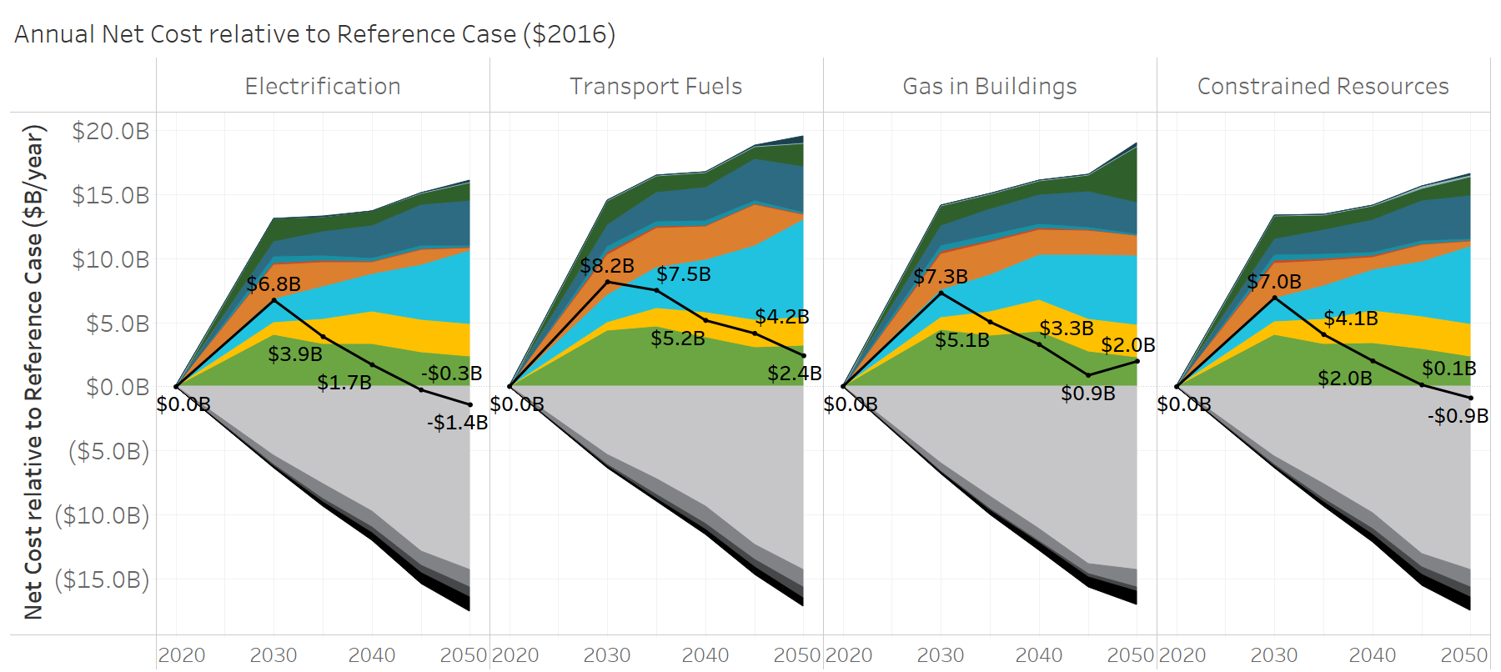
Cost Component | Scenario Aliases | Year | Net Cost relative to Reference Case ($B/yr, 2016 Dollars)
Direct Air Capture | Electrification | 2020 | 0.00
Direct Air Capture | Electrification | 2030 | 0.00
Direct Air Capture | Electrification | 2035 | 0.00
Direct Air Capture | Electrification | 2040 | 0.00
Direct Air Capture
Electricity Storage
Biofuels
Electricity Grid
Gas Power Plants
Nuclear Power Plants
Other
Renewables
Demand Side Equipment
Synthetic Fuels
Liquid Fossil Fuels
Natural Gas
Gas Pipeline
Liquid Fuel Delivery
Direct Air Capture | Electrification | 2045 | 0.00
Direct Air Capture | Electrification | 2050 | 0.14
Direct Air Capture | Transport Fuels | 2020 | 0.00
Direct Air Capture | Transport Fuels | 2030 | 0.00
Direct Air Capture | Transport Fuels | 2035 | 0.00
Direct Air Capture | Transport Fuels | 2040 | 0.00
Direct Air Capture | Transport Fuels | 2045 | 0.09
Direct Air Capture | Transport Fuels | 2050 | 0.54
Direct Air Capture | Gas in Buildings | 2020 | 0.00
Direct Air Capture | Gas in Buildings | 2030 | 0.00
Direct Air Capture | Gas in Buildings | 2035 | 0.00
Direct Air Capture | Gas in Buildings | 2040 | 0.00
Direct Air Capture | Gas in Buildings | 2045 | 0.02
Direct Air Capture | Gas in Buildings | 2050 | 0.27
Direct Air Capture | Constrained Resources | 2020 | 0.00
Direct Air Capture | Constrained Resources | 2030 | 0.00
Direct Air Capture | Constrained Resources | 2035 | 0.00
Direct Air Capture | Constrained Resources | 2040 | 0.00
Direct Air Capture | Constrained Resources | 2045 | 0.00
Direct Air Capture | Constrained Resources | 2050 | 0.12
Electricity Storage | Electrification | 2020 | 0.00
Electricity Storage | Electrification | 2030 | 0.05
Electricity Storage | Electrification | 2035 | 0.04
Electricity Storage | Electrification | 2040 | 0.05
Electricity Storage | Electrification | 2045 | 0.08
Electricity Storage | Electrification | 2050 | 0.06
Electricity Storage | Transport Fuels | 2020 | 0.00
Electricity Storage | Transport Fuels | 2030 | 0.04
Electricity Storage | Transport Fuels | 2035 | 0.04
Electricity Storage | Transport Fuels | 2040 | 0.05
...

C5.Historical Energy Spending
Historical Context: Total Energy Spending as Percentage of Washington GDP
WA SES EER DDP Modeling Final Report Page 55

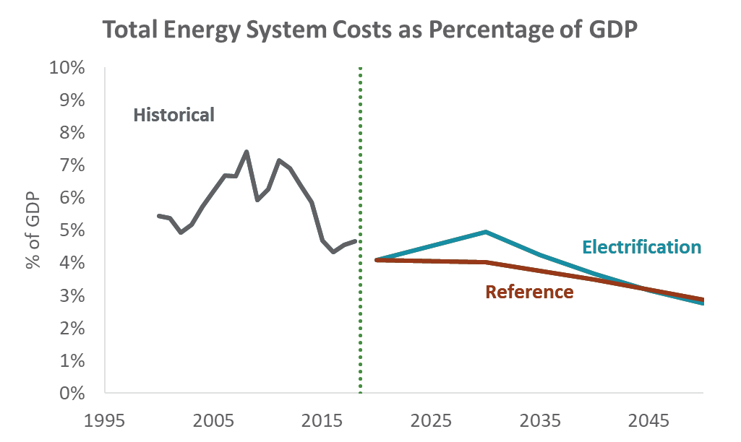
Year | Scenario | Total Energy System Costs (%GDP)
2000 | Historical | 5.4%
2001 | Historical | 5.4%
2002 | Historical | 4.9%
2003 | Historical | 5.2%
2004 | Historical | 5.7%
2005 | Historical | 6.2%
2006 | Historical | 6.7%
2007 | Historical | 6.6%
2008 | Historical | 7.4%
2009 | Historical | 5.9%
2010 | Historical | 6.3%
2011 | Historical | 7.1%
2012 | Historical | 6.9%
2013 | Historical | 6.4%
2014 | Historical | 5.9%
2015 | Historical | 4.7%
2016 | Historical | 4.3%
2017 | Historical | 4.6%
2018 | Historical | 4.7%
2020 | Reference | 4.1%
2030 | Reference | 4.0%
2035 | Reference | 3.8%
2040 | Reference | 3.5%
2045 | Reference | 3.2%
2050 | Reference | 2.9%
2020 | Electrification | 4.1%
2030 | Electrification | 5.0%
2035 | Electrification | 4.2%
2040 | Electrification | 3.7%
2045 | Electrification | 3.1%
...

C6.EV Cost Uncertainty Impact
...
 |  | Net Cost Relative to Reference Case ($B/yr) |  |  | Net Cost Relative to Reference Case (%GDP/yr)
Scenario | Year | EV Price Forecast | 10% More Expensive | 10% Less Expensive | EV Price Forecast | 10% More Expensive | 10% Less Expensive
Electrification | 2020 | 0.00 |  |  | 4.0%
Electrification | 2030 | 6.75 | 8.38 | 5.13 | 5.0% | 5.2% | 4.7%
Electrification | 2035 | 3.91 | 5.98 | 1.83 | 4.2% | 4.5% | 4.0%
Electrification | 2040 | 1.71 | 3.92 | -0.49 | 3.7% | 3.9% | 3.4%
Electrification | 2045 | -0.25 | 2.02 | -2.52 | 3.1% | 3.4% | 2.9%
Electrification | 2050 | -1.41 | 0.99 | -3.82 | 2.8% | 3.0% | 2.5%

